Default
HP Integrated SL Barcode |  |  |  |  |  |  |  |  |  | DataLogic SW TEST Comments
1D Default | enabled by default | output | result | Root Cause |  |  | Retest Result |  | page | Add test pre-condition Add note for garbage chars issue
UPC/EAN (A) | yes | P | pass |  |  |  |  |  | 2
UPC/EAN (E) | yes | P | pass |  |  |  |  |  | 2
UPC/EAN/ ( 13) | yes | P | pass |  |  |  |  |  | 2
UPC/EAN ( 8) | yes | P | pass |  |  |  |  |  | 2
Code 39 (Regular) | yes | P | pass |  |  |  |  |  | 3 | Advise for Code 39 Regular Symbol (Wide)
Code 128 | yes | P | pass |  |  |  |  |  | 3
EAN 128 | yes | P | pass |  |  |  |  |  | 3
Code 93 | yes | P | pass |  |  |  |  |  | 4
GS1 Databar Omnidirectional | GS1 Databar (or RSS 14 Barcode) yes | P | pass |  |  |  |  |  | 4
GS1 DataBar Stacked |  | P | pass |  |  |  |  |  | 4
GS1 DataBar Truncated |  | P | pass |  |  |  |  |  | 4
GS1 Databar Expanded | yes | P | pass |  |  |  |  |  | 4
2D Default | enabled by default | output | result | Root Cause |  |  | Retest Result |  | page
Datamatrix | yes | P | pass |  |  |  |  |  | 5
QR Codes (QR, Micro QR and Multiple QR Codes) | yes | P | pass |  |  |  |  |  | 5
PDF-417 | yes | P | pass |  |  |  |  |  | 5

Versions |  |  |  | Pre-condition:
- JPOS Service Object version: 1.13.112 |  |  |  | - Before running test, connect to HP USB Scanner Configuration Utility, write CCF file
- JPOS Application version: 1.13.56 |  |  |  | - Each HP Scanner should has an special CCF file
- OPOS Service Object version: 1.13.115 |  |  |  | - Switch to test interface:
- OPOS test utility version: 1.13.0.104 |  |  |  | - Use latest version of JPOS/OPOS that fix garbage chars issue
- USB-COM: 5.26.0.0 |  |  |  |  |  |  |  |  |  | Garbage chars issue: It will happen on any symbology in OEM USB in the cases where the specified Label ID’s are non-printable characters. POSTest is an application which displays characters based upon the local code page of the PC, and it is the fact that in OEM USB, the Label ID’s are often non-printable. The ScanData field by UPOS specification should contain the Label ID’s; if these happen to be non-printable, “garbage characters” will result. This has been explaine to the Customer, and they are okay with this and expect the results to be consistent with previous releases.
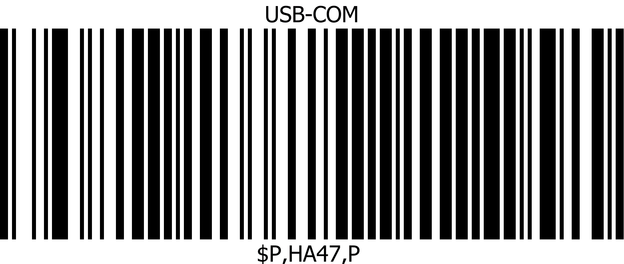
- Firmware: 610077403

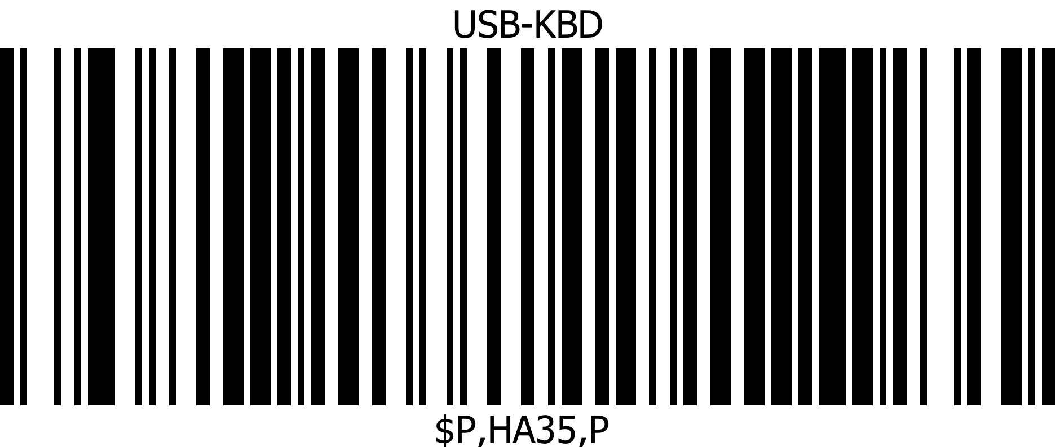



Note that: "Label ID" will not be transmitted under USB-OEM interface (SIO1254884)
HP Integrated SL Barcode
1D Default

UPC/EAN (A)
 |  |  |  | C725272730706 | P | UPC-A | P | JPOS USB-COM
 |  |  |  | 725272730706 | P
 |  |  |  | C725272730706 | P | UPC-A | P | OPOS USB-COM
 |  |  |  | 725272730706 | P
 |  |  |  | 725272730706 | P | N/A | N/A | KB/Composite
 | 725272730706

UPC/EAN (E)
 |  |  |  | D01234565 | P | UPC-E | P | JPOS USB-COM
 |  |  |  | 01234565 | P
 |  |  |  | D01234565 | P | UPC-E | P | OPOS USB-COM
 |  |  |  | 01234565 | P
 |  |  |  | 01234565 | P | N/A | N/A | KB/Composite
 | 01234565

UPC/EAN/ ( 13)
 |  |  |  | B9780201379624 | P | EAN/JAN-13 | P | JPOS USB-COM
 |  |  |  | 9780201379624 | P
 |  |  |  | B9780201379624 | P | EAN/JAN-13 | P | OPOS USB-COM
 |  |  |  | 9780201379624 | P
 | 9780201379624 |  |  | 9780201379624 | P | N/A | N/A | KB/Composite

 |  |  |  | B2000503798709 | P | EAN/JAN-13 | P | JPOS USB-COM
 |  |  |  | 2000503798709 | P
 |  |  |  | B2000503798709 | P | EAN/JAN-13 | P | OPOS USB-COM
 |  |  |  | 2000503798709 | P
 | 2000503798709 |  |  | 2000503798709 | P | N/A | N/A | KB/Composite

UPC/EAN ( 8)
 |  |  |  | A12344321 | P | EAN/JAN-8 | P | JPOS USB-COM
 |  |  |  | 12344321 | P
 |  |  |  | A12344321 | P | EAN/JAN-8 | P | OPOS USB-COM
 |  |  |  | 12344321 | P
 |  |  |  | 12344321 | P | N/A | N/A | KB/Composite
 | 12344321

HP Integrated SL Barcode
1D Default
 |  |  |  |  |  |  |  |  |  | Not recommend to use Code 39 Regular Symbol (Wide) as it's not a standard Code 39
Code 39 (Regular) |  |  |  |  |  |  |  |  |  | This is code 39 with large gap between inter digits (7x ratio)
Code 39 Regular Symbol (Wide) |  |  |  | V43656ABXZ | P | Code 39 | P | JPOS USB-COM |  | By default, Code 39 Interdigit Ratio = 4, scanner will hard read this barcode
 |  |  |  | 43656ABXZ | P |  |  |  |  | To read this barcode easier, need to set Code 39 Interdigit Ratio = 7
 |  |  |  | V43656ABXZ | P | Code 39 | P | OPOS USB-COM |  |  | Can you this barcode as replacement
 |  |  |  | 43656ABXZ | P
 |  |  |  | 43656ABXZ | P | N/A | N/A | KB/Composite
 | *43656ABXZ*

Code 39 Regular Symbol (Narrow) |  |  |  | V43656ABXZ | P | Code 39 | P | JPOS USB-COM
 |  |  |  | 43656ABXZ | P
 |  |  |  | V43656ABXZ | P | Code 39 | P | OPOS USB-COM
 |  |  |  | 43656ABXZ | P
 |  |  |  | 43656ABXZ | P | N/A | N/A | KB/Composite

Code 128
 |  |  |  | TSay HI to Your Boss | P | Code 128 | P | JPOS USB-COM
 |  |  |  | Say HI to Your Boss | P
 |  |  |  | TSay HI to Your Boss | P | Code 128 | P | OPOS USB-COM
 |  |  |  | Say HI to Your Boss | P
 |  |  |  | Say HI to Your Boss | P | N/A | N/A | KB/Composite

EAN 128

 |  |  |  | k00006141411234567890 | P | EAN 128 | P | JPOS USB-COM
 |  |  |  | 00006141411234567890 | P
 |  |  |  | k00006141411234567890 | P | EAN 128 | P | OPOS USB-COM
 |  |  |  | 00006141411234567890 | P
 |  |  |  | ]C100006141411234567890 | P | N/A | N/A | KB/Composite

alternative barcode
 |  |  |  | k10123ABX | P | EAN 128 | P | JPOS USB-COM
 |  |  |  | 10123ABX | P
 |  |  |  | k10123ABX | P | EAN 128 | P | OPOS USB-COM
 |  |  |  | 10123ABX | P
 |  |  |  | ]C110123ABX | P | N/A | N/A | KB/Composite

Note: the three extra characters "]C1" in HID mode is "As designed". It indicates that AIM is enabled for this symbology.

HP Integrated SL Barcode
1D Default

Code 93
 |  |  |  | U2815181213 | P | Code 93 | P | JPOS USB-COM
 |  |  |  | 2815181213 | P
 |  |  |  | U2815181213 | P | Code 93 | P | OPOS USB-COM
 |  |  |  | 2815181213 | P
 |  |  |  | 2815181213 | P | N/A | N/A | KB/Composite
 | 2815181213
 |  |  |  | UPOS-2010-/+ | P | Code 93 | P | JPOS USB-COM
 |  |  |  | POS-2010-/+ | P
 |  |  |  | UPOS-2010-/+ | P | Code 93 | P | OPOS USB-COM
 |  |  |  | POS-2010-/+ | P
 |  |  |  | POS-2010-/+ | P | N/A | N/A | KB/Composite
 | POS-2010-/+

GS1 Databar (or RSS Barcode)
GS1 Databar Omnidirectional
 |  |  |  | u0124012345678905 | P | GS1 DataBar | P | JPOS USB-COM
 |  |  |  | 0124012345678905 | P
 |  |  |  | u0124012345678905 | P | GS1 DataBar/RSS 14 | P | OPOS USB-COM
 |  |  |  | 0124012345678905 | P
 |  |  |  | 0124012345678905 | P | N/A | N/A | KB/Composite
 | (01)24012345678905
GS1 DataBar Stacked
 |  |  |  | u0112345678901231 | P | GS1 DataBar | P | JPOS USB-COM
 |  |  |  | 0112345678901231 | P
 |  |  |  | u0112345678901231 | P | GS1 DataBar/RSS 14 | P | OPOS USB-COM
 |  |  |  | 0112345678901231 | P
 | (01)12345678901231 |  |  | 0112345678901231 | P | N/A | N/A | KB/Composite

GS1 DataBar Truncated
 |  |  |  | u0100614141999996 | P | GS1 DataBar | P | JPOS USB-COM
 |  |  |  | 0100614141999996 | P
 |  |  |  | u0100614141999996 |  | GS1 DataBar/RSS 14 | P | OPOS USB-COM
 |  |  |  | 0100614141999996 | P
 |  |  |  | 0100614141999996 | P | N/A | N/A | KB/Composite

GS1 Databar Expanded
 |  |  |  | t01950123456789033103000123 | P | GS1 DataBar Expanded | P | JPOS USB-COM
 |  |  |  | 01950123456789033103000123 | P
 |  |  |  | t01950123456789033103000123 | P | GS1 DataBar_E/RSS_Expanded | P | OPOS USB-COM
 |  |  |  | 01950123456789033103000123 | P
 |  |  |  | 01950123456789033103000123 | P | N/A | N/A | KB/Composite
 | (01)95012345678903(3103)000123

HP Integrated SL Barcode
2D Default

Datamatrix

 |  |  |  | wsharma grocery $1.95 | P | Datamatrix | P | JPOS USB-COM
 |  |  |  | sharma grocery $1.95 | P
 |  |  |  | wsharma grocery $1.95 | P | Datamatrix | P | OPOS USB-COM
 |  |  |  | sharma grocery $1.95 | P
 |  |  |  | sharma grocery $1.95 | P | N/A | N/A | KB/Composite
 | sharma grocery $1.95

 |  |  |  | wPankaj Sharma 11445 compaq center drive w | P | Datamatrix | P | JPOS USB-COM
 |  |  |  | Pankaj Sharma 11445 compaq center drive w | P
 |  |  |  | wPankaj Sharma 11445 compaq center drive w | P | Datamatrix | P | OPOS USB-COM
 |  |  |  | Pankaj Sharma 11445 compaq center drive w | P
 |  |  |  | Pankaj Sharma 11445 compaq center drive w | P | N/A | N/A | KB/Composite
 | Pankaj Sharma 11445 compaq center drive w

QR Codes (QR, Micro QR and Multiple QR Codes)
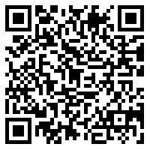
 |  |  |  | yThis is a RPOS barcode for Latricia Giroir | P | QR Code | P | JPOS USB-COM
 |  |  |  | This is a RPOS barcode for Latricia Giroir | P
 |  |  |  | yThis is a RPOS barcode for Latricia Giroir | P | QR Code | P | OPOS USB-COM
 |  |  |  | This is a RPOS barcode for Latricia Giroir | P
 |  |  |  | This is a RPOS barcode for Latricia Giroir | P | N/A | N/A | KB/Composite
 | This is a RPOS barcode for Latricia Giroir

 |  |  |  | yThis is a QR Code created by Latricia | P | QR Code | P | JPOS USB-COM
 |  |  |  | This is a QR Code created by Latricia | P
 |  |  |  | yThis is a QR Code created by Latricia | P | QR Code | P | OPOS USB-COM
 |  |  |  | This is a QR Code created by Latricia | P
 |  |  |  | This is a QR Code created by Latricia | P | N/A | N/A | KB/Composite
 | This is a QR Code created by Latricia

2D Default

PDF-417

 |  |  |  | rBinh Truong is the TPM | P | PDF 417 | P | JPOS USB-COM
 |  |  |  | Binh Truong is the TPM | P
 |  |  |  | rBinh Truong is the TPM | P | PDF 417 | P | OPOS USB-COM
 |  |  |  | Binh Truong is the TPM | P
 |  |  |  | Binh Truong is the TPM | P | N/A | N/A | KB/Composite

 | Binh Truong is the TPM

NON-Default
HP Integrated SL Barcode |  |  |  |  |  |  |  |  |  |  |  | DataLogic SW TEST Comments | Product Support
 |  |  |  |  |  |  |  |  |  |  |  |  | HP QD2131 | HP GD44xx/GBT44xx | HP Tahiti (DPT/non-DPT) | Higgins
1D NON-Default |  | issue |  |  | result | Root Cause |  |  | Final Result | page |  | Add test pre-condition, update all setting labels to 1D, add note for garbage chars issue
UPC/EAN/JAN (ISBN ) |  |  |  |  |  |  |  |  |  | 3 |  |  | YES | YES | YES | YES
UPC/EAN/JAN (Bookland ) |  |  |  |  |  |  |  |  |  | 3 |  |  | YES | YES | YES | YES
UPC/EAN/JAN ( ISSN) |  |  |  |  |  |  |  |  |  | 4 |  |  | YES | YES | YES | YES
ISSN - 2 |  |  |  |  |  |  |  |  |  | 4 |  |  | YES | YES | YES | YES
EAN 13/P2 (with 2 digits Add-On) |  |  |  |  |  |  |  |  |  | 5 |  |  | YES | YES | YES | YES
EAN 13/P5 (with 5 digits Add-On) |  |  |  |  |  |  |  |  |  | 5 |  |  | YES | YES | YES | YES
Code 39 (including full ASCII) |  |  |  |  |  |  |  |  |  | 6 |  |  | YES | YES | YES | YES
Code39 CIP (French Pharmaceutical) |  |  |  |  |  |  |  |  |  | 6 |  | Provide recommended barcode | YES | YES | YES | YES
Code 39 (trioptic) |  |  |  |  |  |  |  |  |  | 7 |  | Provide recommended barcode | YES | YES | YES | YES
LOGMARS (Code 39 w/ standard check digit enabled) |  |  |  |  |  |  |  |  |  | 8 |  |  | YES | YES | YES | YES
Danish PPT Postal |  |  |  |  |  |  |  |  |  | 9 |  | Code 39 PZN (PZEN01), Code Danish PPT (DPEN01), Code 39 La Poste (LPEN01) are eliminate configurations: enabling 1 of them will make scanner unable to read 2 others | NO | YES | YES | YES
Code 32 (Italian Pharmacode 39) |  | "Start/Stop Character" and "Check Character" are not transmitted by default |  |  |  |  |  |  |  | 9 |  |  | YES | YES | YES | YES
Interleaved 2 of 5 |  |  |  |  |  |  |  |  |  | 10 |  |  | YES | YES | YES | YES
Standard 2of 5 |  |  |  |  |  |  |  |  |  | 11 |  | Provide recommended barcode | YES | YES | YES | YES
Industrial 2 of 5 |  | no beep |  |  |  | no beep has been fixed with FW 610077403 |  |  |  | 12 |  |  | YES | YES | YES | YES
IATA 2of5 Air cargo code |  | TBD |  |  |  | Need info from Engineering |  |  | TBD | 12 |  | Provide recommended barcode | YES | YES | YES | YES
Code 11 (with two check digits) |  |  |  |  |  |  |  |  |  | 13 |  |  | YES | YES | YES | YES
Code 11 (with one check digit) |  |  |  |  |  |  |  |  |  | 13 |  |  | YES | YES | YES | YES
Codabar |  |  |  |  |  |  |  |  |  | 14 |  |  | YES | YES | YES | YES
MSI |  |  |  |  |  |  |  |  |  | 15 |  |  | YES | YES | YES | YES
PZN - code 39 |  | TBD |  |  |  | Need info from Engineering |  |  | TBD | 15 |  | Code 39 PZN (PZEN01), Code Danish PPT (DPEN01), Code 39 La Poste (LPEN01) are eliminate configurations: enabling 1 of them will make scanner unable to read 2 others | NO | YES | YES | YES
Plessey |  |  |  |  |  |  |  |  |  | 16 |  |  | YES | YES | YES | YES
GS1 DataBar Limited |  |  |  |  |  |  |  |  |  | 17 |  |  | YES | YES | YES | YES
Codablock F |  | TBD |  |  |  | Not supported per Engineering |  |  | NA |  |  | Provide recommended barcode, also add programming labels to enable/disable Codablock F | YES | NO | NO | NO
2D NON-Default |  | issue |  |  | result | Root Cause |  |  | Final Result | page
Aztec |  |  |  |  |  |  |  |  |  | 18 |  |  | NO | YES | YES | YES
Maxicode |  |  |  |  |  |  |  |  |  | 19 |  |  | NO | YES | YES | YES
Micro PDF417 |  |  |  |  |  |  |  |  |  | 20 |  | Provide recommended barcode | NO | YES | YES | YES
Datamatrix (2D inversed) |  |  |  |  |  |  |  |  |  | 21 |  |  | NO | YES | YES | YES
Chinese Sensible Code |  | garbage characters in JPOS |  |  | Will not fix |  |  |  |  | 22 |  | Provide recommended barcode | NO | YES | YES | YES
GS1 DataBar Stacked Omni-directional |  |  |  |  |  |  |  |  |  | 23 |  |  | NO | YES | YES | YES
GS1 DataBar Expanded Stacked |  |  |  |  |  |  |  |  |  | 24 |  |  | NO | YES | YES | YES
Postal Codes |  | issue |  |  | result | Root Cause |  |  | Final Result | page
Australian |  |  |  |  |  |  |  |  |  | 25 |  |  | NO | YES | YES | YES
australian domestic |  | TBD |  |  |  | Need info from Engineering |  |  | TBD | 25 |  | Unknown barcode (should not a valid kind of barcode) | NO | NO | NO | NO
Japanese |  |  |  |  |  |  |  |  |  | 26 |  |  | NO | YES | YES | YES
Planet |  |  |  |  |  |  |  |  |  | 26 |  |  | NO | YES | YES | YES
Postnet |  |  |  |  |  |  |  |  |  | 27 |  |  | NO | YES | YES | YES
Royal Mail |  | no beep |  |  | fail |  |  |  |  | 27 |  | Provide recommended barcode | NO | YES | YES | YES
singapore ***** |  | TBD |  |  |  | Need info from Engineering |  |  | TBD | 28 |  | Unknown barcode (should not a valid kind of barcode) | NO | NO | NO | NO
Italian***** |  | TBD |  |  |  | Need info from Engineering |  |  | TBD | 28 |  | Unknown barcode (should not a valid kind of barcode) | NO | NO | NO | NO
NON_Default_

Versions |  |  |  |  |  | Pre-condition:
- JPOS Service Object version: 1.13.112 |  |  |  |  |  | - Before running test, connect to HP USB Scanner Configuration Utility, write CCF file
- JPOS Application version: 1.13.56 |  |  |  |  |  | - Each HP Scanner should has an special CCF file
- OPOS Service Object version: 1.13.115 |  |  |  |  |  | - Switch to test interface:
- OPOS test utility version: 1.13.0.104 |  |  |  |  |  | - Use latest version of JPOS/OPOS that fix garbage chars issue
- USB-COM: 5.26.0.0 |  |  |  |  |  |  |  |  |  |  |  | Garbage chars issue: It will happen on any symbology in OEM USB in the cases where the specified Label ID’s are non-printable characters. POSTest is an application which displays characters based upon the local code page of the PC, and it is the fact that in OEM USB, the Label ID’s are often non-printable. The ScanData field by UPOS specification should contain the Label ID’s; if these happen to be non-printable, “garbage characters” will result. This has been explaine to the Customer, and they are okay with this and expect the results to be consistent with previous releases.
- Firmware: 610077403

Note that: "Label ID" will not be transmitted under USB-OEM interface (SIO1254884)
HP Integrated SL Barcode
1D NON-Default
UPC/EAN/JAN (ISBN ) |  |  |  |  |  |  |  |  | Top

PASS
 | 9781234567897
 | After enabled |  |  |  |  | Before enable
 | @123456789X | ✓ | unknown | ✗ | JPOS USB-COM | B9781234567897 | ✓ | JAN13/EAN13 | ✓
 | 123456789X | ✓ |  |  |  | 9781234567897 | ✓
 | @123456789X | ✓ | EAN/JAN-13 | ✗ | OPOS USB-COM | B9781234567897 | ✓ | EAN/JAN-13 | ✓
 | 123456789X | ✓ |  |  |  | 9781234567897 | ✓
 | 123456789X | ✓ | N/A | N/A | KB/Composite | 9781234567897 | ✓ | N/A | N/A

PASS
UPC/EAN/JAN (Bookland )

 | 9783419834985
 | After enabled |  |  |  |  | Before enable
 | @3419834985 | ✓ | unknown | ✗ | JPOS USB-COM | B9783419834985 | ✓ | JAN13/EAN13 | ✓
 | 3419834985 | ✓ |  |  |  | 9783419834985 | ✓
 | @3419834985 | ✓ | EAN/JAN-13 | ✗ | OPOS USB-COM | B9783419834985 | ✓ | EAN/JAN-13 | ✓
 | 3419834985 | ✓ |  |  |  | 9783419834985 | ✓
 | 3419834985 | ✓ | N/A | N/A | KB/Composite | 9783419834985 | ✓ | N/A | N/A
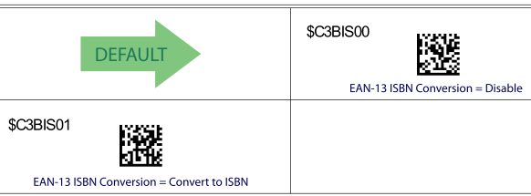

This option enables/disables conversion of EAN 13/JAN 13 labels starting with 978 to ISBN labels.
EAN-13 is enabled by default.

 | alternative barcode
PASS

 | 9783419834985
 | After enabled |  |  |  |  | Before enable
 | @9274927525 | ✓ | unknown | ✗ | JPOS USB-COM | B9789274927527 | ✓ | JAN13/EAN13 | ✓
 | 9274927525 | ✓ |  |  |  | 9789274927527 | ✓
 | @9274927525 | ✓ | EAN/JAN-13 | ✗ | OPOS USB-COM | B9789274927527 | ✓ | EAN/JAN-13 | ✓
 | 9274927525 | ✓ |  |  |  | 9789274927527 | ✓
 | 9274927525 | ✓ | N/A | N/A | KB/Composite | 9789274927527 | ✓ | N/A | N/A

HP Integrated SL Barcode
1D NON-Default

UPC/EAN/JAN ( ISSN) |  |  |  |  |  |  |  |  | Top

PASS

 | 9771234567898
 | After enabled |  |  |  |  | Before enable
 | n12345679 | ✓ | unknown | ✗ | JPOS USB-COM | B9771234567898 | ✓ | JAN13/EAN13 | ✓
 | 12345679 | ✓ |  |  |  | 9771234567898 | ✓
 | n12345679 | ✓ | EAN/JAN-13 | ✗ | OPOS USB-COM | B9771234567898 | ✓ | EAN/JAN-13 | ✓
 | 12345679 | ✓ |  |  |  | 9771234567898 | ✓
 | 12345679 | ✓ | N/A | N/A | KB/Composite | 9771234567898 | ✓ | N/A | N/A
ISSN - 2
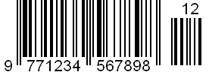
PASS

 | 9771234567898
 | After enabled |  |  |  |  | Before enable
 | n12345679 | ✓ | unknown | ✗ | JPOS USB-COM | B9771234567898 | ✓ | JAN13/EAN13 | ✓
 | 12345679 | ✓ |  |  |  | 9771234567898 | ✓
 | n12345679 | ✓ | EAN/JAN-13 | ✗ | OPOS USB-COM | B9771234567898 | ✓ | EAN/JAN-13 | ✓
 | 12345679 | ✓ |  |  |  | 9771234567898 | ✓
 | 12345679 | ✓ | N/A | N/A | KB/Composite | 9771234567898 | ✓ | N/A | N/A
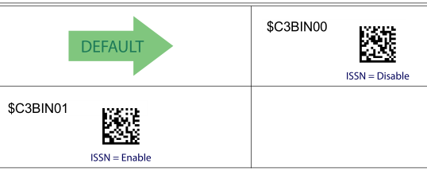

Enables/disables conversion of EAN/JAN13 labels starting with 977 to ISSN labels.
EAN-13 is enabled by default.

HP Integrated SL Barcode
1D NON-Default
EAN 13/P2 (with 2 digits Add-On) |  |  |  |  |  |  |  |  | Top

PASS

 | After enabled Add-Ons |  |  |  |  | Before enable Add-Ons
 | L977123456789812 | ✓ | EAN13 with supplemental | ✓ | JPOS USB-COM | B9771234567898 | ✓ | JAN13/EAN13 | ✓
 | 977123456789812 | ✓ |  |  |  | 9771234567898 | ✓
 | L977123456789812 | ✓ | EAN13_S | ✓ | OPOS USB-COM | B9771234567898 | ✓ | EAN/JAN-13 | ✓
 | 977123456789812 | ✓ |  |  |  | 9771234567898 | ✓
 | 977123456789812 | ✓ | N/A | N/A | KB/Composite | 9771234567898 | ✓ | N/A | N/A
If a UPC/EAN base label and an add-on are both decoded, the reader will transmit the base label and add-on.
In this example, we enable add-ons only, so 977 is not decoded.
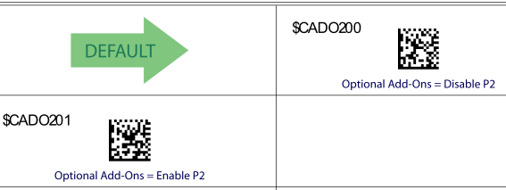

EAN 13/P5 (with 5 digits Add-On)
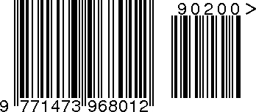

PASS

 | After enabled Add-Ons |  |  |  |  | Before enable Add-Ons
 | M977147396801290200 | ✓ | EAN13 with supplemental | ✓ | JPOS USB-COM | B9771473968012 | ✓ | JAN13/EAN13 | ✓
 | 977147396801290200 | ✓ |  |  |  | 9771473968012 | ✓
 | M977147396801290200 | ✓ | EAN13_S | ✓ | OPOS USB-COM | B9771473968012 | ✓ | EAN/JAN-13 | ✓
 | 977147396801290200 | ✓ |  |  |  | 9771473968012 | ✓
 | 977147396801290200 | ✓ | N/A | N/A | KB/Composite | 9771473968012 | ✓ | N/A | N/A
If a UPC/EAN base label and an add-on are both decoded, the reader will transmit the base label and add-on.
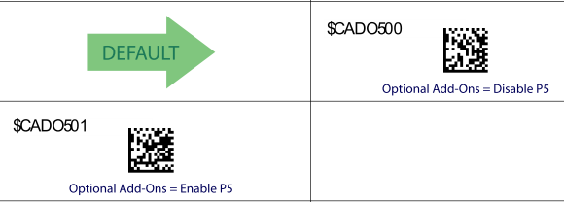

HP Integrated SL Barcode
1D NON-Default
 |  |  |  |  |  |  |  |  | Top
PASS

 | After enabled |  |  |  |  | Before enable
 | VAa-1234 | ✓ | Code 39 | ✓ | JPOS USB-COM | VA+A-1234 | ✓ | Code 39 | ✓
 | Aa-1234 | ✓ |  |  |  | A+A-1234 | ✓
 | VAa-1234 | ✓ | Code 39 | ✓ | OPOS USB-COM | VA+A-1234 | ✓ | Code 39 | ✓
 | Aa-1234 | ✓ |  |  |  | A+A-1234 | ✓
 | Aa-1234 | ✓ | N/A | N/A | KB/Composite | A+A-1234 | ✓ | N/A | N/A
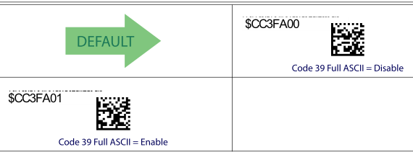

Code39 CIP (French Pharmaceutical) |  |  |  |  |  |  |  |  |  |  |  | Provide barcode for test
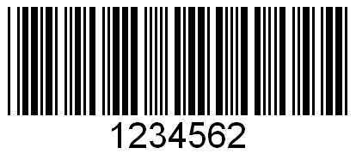
 | original barcode from test plan |  | This may be a wrong barcode. So, let's try to use the alternate barcode.
 | After enabled |  |  |  |  | Before enable
 | V+11445441M | ✓ | Code 39 | ✗ | JPOS USB-COM | V+11445441M | ✓ | Code 39 | ✓
 | +11445441M | ✓ |  |  |  | +11445441M | ✓
 | V+11445441M | ✓ | Code 39 | ✗ | OPOS USB-COM | V+11445441M | ✓ | Code 39 | ✓
 | +11445441M | ✓ |  |  |  | +11445441M | ✓
 | +11445441M | ✓ | N/A | N/A | KB/Composite | +11445441M | ✓ | N/A | N/A

PASS
 |  | << Alternate barcode

 | After enabled |  |  |  |  | Before enable
 | Y3216775 | ✓ | unknown | ✗ | JPOS USB-COM | V3216775 | ✓ | Code 39 | ✓
 | 3216775 | ✓ |  |  |  | 3216775 | ✓
 | Y3216775 | ✓ | CodeCIP | ✓ | OPOS USB-COM | V3216775 | ✓ | Code 39 | ✓
 | 3216775 | ✓ |  |  |  | 3216775 | ✓
 | 3216775 | ✓ | N/A | N/A | KB/Composite | 3216775 | ✓ | N/A | N/A
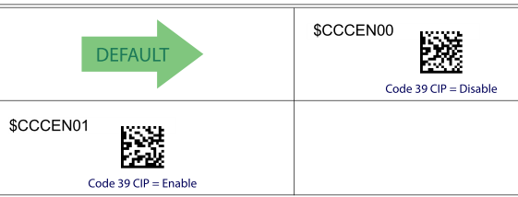

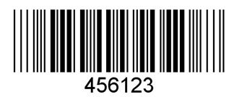
HP Integrated SL Barcode |  |  |  |  |  |  |  |  |  |  |  | Provide barcode for test
1D NON-Default

Code 39 (trioptic) |  |  |  |  |  |  |  |  | Top

 | original barcode | This may be a wrong barcode. So, let's try to use the alternate barcode.
 | After enabled |  |  |  |  | Before enable
 | V1234567 | ✓ | Code39 | ✗ | JPOS USB-COM | V1234567 | ✓ | Code 39 | ✓
 | 1234567 | ✓ |  |  |  | 1234567 | ✓
 | V1234567 | ✓ | Code39 | ✗ | OPOS USB-COM | V1234567 | ✓ | Code 39 | ✓
 | 1234567 | ✓ |  |  |  | 1234567 | ✓
 | 1234567 | ✓ | N/A | N/A | KB/Composite | 1234567 | ✓ | N/A | N/A

 |  | << Alternate barcode
PASS

 | 345345
 | After enabled |  |  |  |  | Before enable
 | $T345345 | ✓ | unknown | ✗ | JPOS USB-COM | no beep | ✓ | no beep | ✓
 | 345345 | ✓ |  |  |  | no beep | ✓
 | $T345345 | ✓ | TRIOPTIC39 | ✓ | OPOS USB-COM | no beep | ✓ | no beep | ✓
 | 345345 | ✓ |  |  |  | no beep | ✓
 | 345345 | ✓ | N/A | N/A | KB/Composite | no beep | ✓ | N/A | N/A

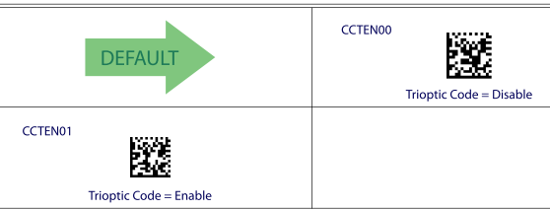

HP Integrated SL Barcode
1D NON-Default

LOGMARS (Code 39 w/ standard check digit enabled) |  |  |  |  |  |  |  |  | Top
PASS

 | After enabled step 1 only |  |  |  |  | Before enable
 | V+11445441M | ✓ | Code 39 | ✓ | JPOS USB-COM | V+11445441M | ✓ | Code 39 | ✓
 | +11445441M | ✓ |  |  |  | +11445441M | ✓
 | V+11445441M | ✓ | Code 39 | ✓ | OPOS USB-COM | V+11445441M | ✓ | Code 39 | ✓
 | +11445441M | ✓ |  |  |  | +11445441M | ✓
 | +11445441M | ✓ | N/A | N/A | KB/Composite | +11445441M | ✓ | N/A | N/A

 | Step 1: We need to enable "Code 39 Standard Check Character Calculation" , otherwise any check character
 | in the label is treated as data character.
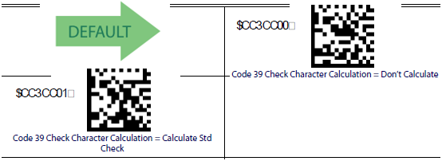

 | Step 2: We need to "disable the transmission" of the Check Character to verify that the check character is not
 | being treated as data character.
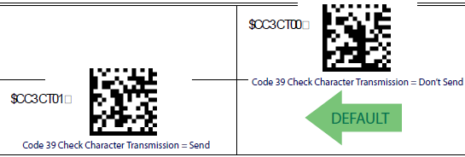

 | After finished step 1 & 2 |  |  |  |  | Before enable
 | V+11445441 | ✓ | Code 39 | ✓ | JPOS USB-COM | V+11445441M | ✓ | Code 39 | ✓
 | +11445441 | ✓ |  |  |  | +11445441M | ✓
 | V+11445441 | ✓ | Code 39 | ✓ | OPOS USB-COM | V+11445441M | ✓ | Code 39 | ✓
 | +11445441 | ✓ |  |  |  | +11445441M | ✓
 | +11445441 | ✓ | N/A | N/A | KB/Composite | +11445441M | ✓ | N/A | N/A

HP Integrated SL Barcode
1D NON-Default
Danish PPT Postal |  | should be "$Y" |  |  |  |  |  |  | Top |  |  | Code 39 PZN (PZEN01), Code Danish PPT (DPEN01), Code 39 La Poste (LPEN01) are eliminate configurations: enabling 1 of them will make scanner unable to read 2 others

TBD
 | 12345678908DK
 | After enabled |  |  |  |  | Before enable
 | V12345678908DK | ✗ | Code 39 | ✓ | JPOS USB-COM | no beep | ✓ | no beep | ✓
 | 12345678908DK | ✓ |  |  |  | no beep | ✓
 | V12345678908DK | ✗ | Code 39 | ✓ | OPOS USB-COM | no beep | ✓ | no beep | ✓
 | 12345678908DK | ✓ |  |  |  | no beep | ✓
 | 12345678908DK | ✓ | N/A | N/A | KB/Composite | no beep | ✓ | N/A | N/A
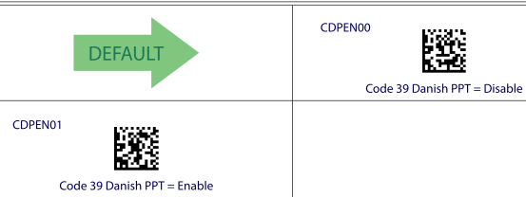

Code 32 (Italian Pharmacode 39) |  |  |  |  |  |  |  |  | Top
 |  | - character "A" (ASCII 65) which is not really encoded
 | Note: | - 8 digits for Pharmacode (It generally begins/is prefixed with 0 - zero)
 |  | - the last digit is the checksum digit

 | 01234567
 | After enabled |  |  |  |  | Before enable
 | 123456 | ? | unknown | O | JPOS USB-COM | VOCSSBD | ✓ | Code 39 | ✓
 | 123456 | ? |  |  |  | OCSSBD | ✓
 | 123456 | ? | Code32 | ✓ | OPOS USB-COM | VOCSSBD | ✓ | Code 39 | ✓
 | 123456 | ? |  |  |  | OCSSBD | ✓
 | 123456 | ? | N/A | N/A | KB/Composite | OCSSBD | ✓ | N/A | N/A
 | The following options apply to the Code 32 (Italian Pharmaceutical Code) symbology.
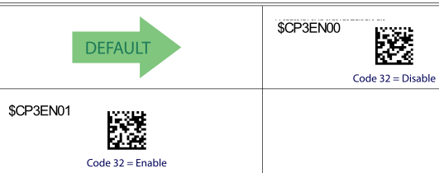
 | When disabled, the reader will not read Code 32 bar codes.

Issue:
- "Start/Stop Character" and "Check Character" are not transmitted by default in "HP Imtegrated SL Scanner", but all other scanners transmit these characters by default.
Expected output = 01234567

Fail ?
PASS ?

HP Integrated SL Barcode
1D NON-Default
Interleaved 2 of 5 |  |  |  |  |  |  |  |  | Top

PASS
 | 12345670
 | After enabled |  |  |  |  | Before enable
 | N12345670 | ✓ | Interleaved 2 of 5 | ✓ | JPOS USB-COM | no beep | ✓ | no beep | ✓
 | 12345670 | ✓ |  |  |  | no beep | ✓
 | N12345670 | ✓ | ITF | ✓ | OPOS USB-COM | no beep | ✓ | no beep | ✓
 | 12345670 | ✓ |  |  |  | no beep | ✓
 | 12345670 | ✓ | N/A | N/A | KB/Composite | no beep | ✓ | N/A | N/A

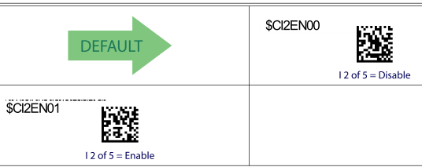

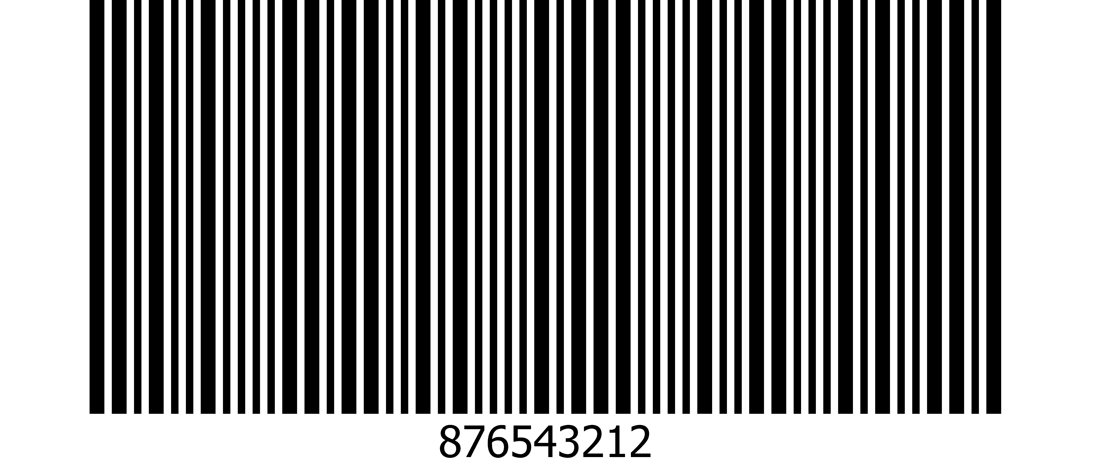
HP Integrated SL Barcode
1D NON-Default |  |  |  |  |  |  |  |  |  |  |  | Use recommended barcode for test (Standard 2 of 5 narrow bar, print ratio 1:2:1)
Standard 2of 5 |  |  |  |  |  |  |  |  | Top

PASS
 |  |  | narrow bar
 |  |  | W/N ration of 2:1 (less common)
 | 12345670
 | After enabled |  |  |  |  | Before enable
 | P876543212 | ✓ | 2 of 5 | ✓ | JPOS USB-COM | no beep | ✓ | no beep | ✓
 | 876543212 | ✓ |  |  |  | no beep | ✓
 | P876543212 | ✓ | TF | ✓ | OPOS USB-COM | no beep | ✓ | no beep | ✓
 | 876543212 | ✓ |  |  |  | no beep | ✓
 | 876543212 | ✓ | N/A | N/A | KB/Composite | no beep | ✓ | N/A | N/A

PASS
 |  |  | wide bar
 |  |  | W/N ration of 3:1 (most popular)

 | After enabled |  |  |  |  | Before enable
 | P876543212 | ✓ | 2 of 5 | ✓ | JPOS USB-COM | no beep | ✓ | no beep | ✓
 | 876543212 | ✓ |  |  |  | no beep | ✓
 | P876543212 | ✓ | TF | ✓ | OPOS USB-COM | no beep | ✓ | no beep | ✓
 | 876543212 | ✓ |  |  |  | no beep | ✓
 | 876543212 | ✓ | N/A | N/A | KB/Composite | no beep | ✓ | N/A | N/A

PASS

 |  |  |  | (wide bar from Datalogic)

 | After enabled |  |  |  |  | Before enable
 | P1234567895 | ✓ | 2 of 5 | ✓ | JPOS USB-COM | no beep | ✓ | no beep | ✓
 | 1234567895 | ✓ |  |  |  | no beep | ✓
 | P1234567895 | ✓ | TF | ✓ | OPOS USB-COM | no beep | ✓ | no beep | ✓
 | 1234567895 | ✓ |  |  |  | no beep | ✓
 | 1234567895 | ✓ | N/A | N/A | KB/Composite | no beep | ✓ | N/A | N/A

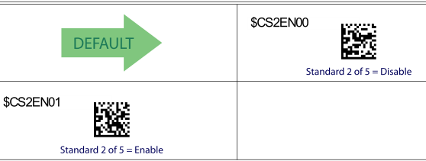

HP Integrated SL Barcode
1D NON-Default
Industrial 2 of 5 |  |  |  |  |  |  |  |  | Top

PASS

 |  |  |  | (Industrial 2 of 5 from Datalogic)
 | W012345
 | After enabled |  |  |  |  | Before enable
 | W012345 | ✓ | 2 of 5 | ✓ | JPOS USB-COM | no beep | ✓ | no beep | ✓
 | 012345 | ✓ |  |  |  | no beep | ✓
 | W012345 | ✓ | TF | ✓ | OPOS USB-COM | no beep | ✓ | no beep | ✓
 | 012345 | ✓ |  |  |  | no beep | ✓
 | 012345 | ✓ | N/A | N/A | KB/Composite | no beep | ✓ | N/A | N/A
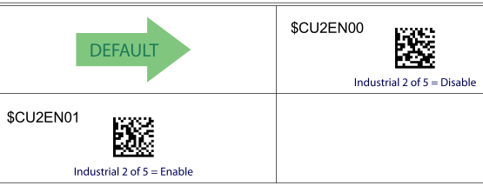

TBD
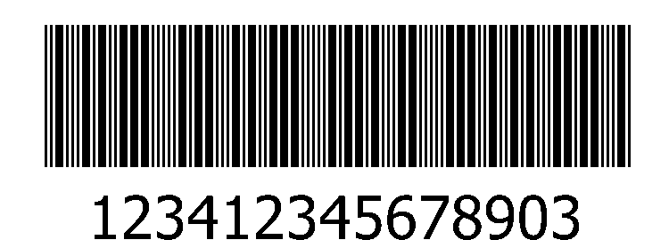
IATA 2of5 Air cargo code |  | should be "&" |  |  |  |  |  |  | Top |  |  | Provide barcode for test

 |  |  |  |  | Issue: | inconsistent data type in JPOS and OPOS
 |  |  |  |  | - need to verify if this is a correct "IATA 2of5" barcode
 | 0123456789 |  |  |  | Need info from Engineering - UPOS spec
 | After enabled |  |  |  |  | Before enable
 | no beep | ✗ | no beep | ✗ | JPOS USB-COM | no beep | ✓ | no beep | ✓
 | no beep | ✗ |  |  |  | no beep | ✓
 | no beep | ✗ | no beep | ✗ | OPOS USB-COM | no beep | ✓ | no beep | ✓
 | no beep | ✗ |  |  |  | no beep | ✓
 | no beep | ✗ | N/A | N/A | KB/Composite | no beep | ✓ | N/A | N/A
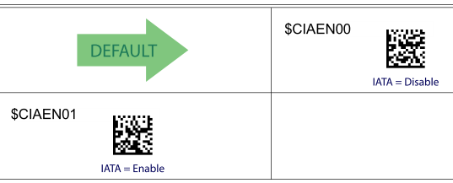

HP Integrated SL Barcode
1D NON-Default
Code 11 |  |  |  |  |  |  |  |  | Top
Code 11 (with two check digits)

PASS
Note: Code11 can have one or two check digits. Normally, if data is less than 10 characters only one check digit is used,
 | otherwise, it will have two check digits.
Alternate barcode: Code11 (with two check digits)

 | After enabled |  |  |  |  | Before enable
 | b4354-345345-34534537 | ✓ | type: 0 (Unknown) | ✗ | JPOS USB-COM | no beep | ✓ | no beep | ✓
 | 4354-345345-34534537 | ✓ |  |  |  | no beep | ✓
 | b4354-345345-34534537 | ✓ | Code11 | ✓ | OPOS USB-COM | no beep | ✓ | no beep | ✓
 | 4354-345345-34534537 | ✓ |  |  |  | no beep | ✓
 | 4354-345345-34534537 | ✓ | N/A | N/A | KB/Composite | no beep | ✓ | N/A | N/A
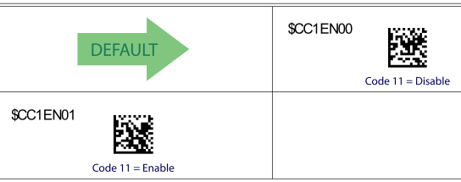

Code 11 (with one check digit)
Alternate barcode: Code11 (with one check digit)

PASS
 |  |  |  |  | (Code11 from Datalogic)

 | After enabling "Code 11" and "Check C" |  |  |  |  | Before enable
 | b1234561 | ✓ | type: 0 (Unknown) | ✗ | JPOS USB-COM | no beep | ✓ | no beep | ✓
 | 1234561 | ✓ |  |  |  | no beep | ✓
 | b1234561 | ✓ | Code11 | ✓ | OPOS USB-COM | no beep | ✓ | no beep | ✓
 | 1234561 | ✓ |  |  |  | no beep | ✓
 | 1234561 | ✓ | N/A | N/A | KB/Composite | no beep | ✓ | N/A | N/A
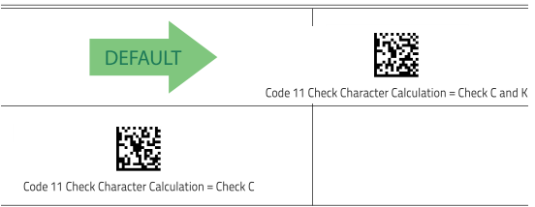

HP Integrated SL Barcode
1D NON-Default

Codabar |  |  |  |  |  |  |  |  | Top

PASS
 | 123456789

 | After enabled |  |  |  |  | Before enable
 | Ra123456789a | ✓ | Codabar | ✓ | JPOS USB-COM | no beep | ✓ | no beep | ✓
 | a123456789a | ✓ |  |  |  | no beep | ✓
 | Ra123456789a | ✓ | Codabar | ✓ | OPOS USB-COM | no beep | ✓ | no beep | ✓
 | a123456789a | ✓ |  |  |  | no beep | ✓
 | a123456789a | ✓ | N/A | N/A | KB/Composite | no beep | ✓ | N/A | N/A
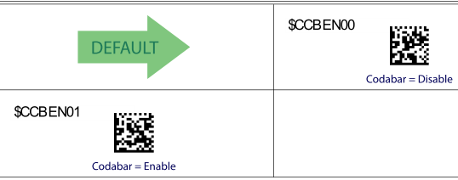

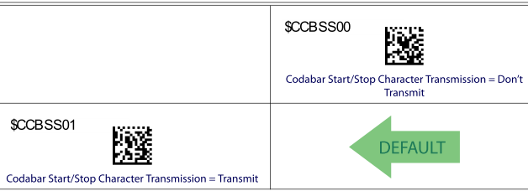

 | page 131

 | After disabling Start/Stop Character Transmission:
 | R123456789 | ✓ | Codabar | ✓ | JPOS USB-COM
 | 123456789 | ✓
 | R123456789 | ✓ | Codabar | ✓ | OPOS USB-COM
 | 123456789 | ✓
 | 123456789 | ✓ | N/A | N/A | KB/Composite

HP Integrated SL Barcode
1D NON-Default
MSI |  |  |  |  |  |  |  |  | Top
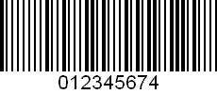

PASS

 | 1234567895
 | After enabled |  |  |  |  | Before enable
 | Z012345674 | ✓ | unknown | ✗ | JPOS USB-COM | no beep | ✓ | no beep | ✓
 | 012345674 | ✓ |  |  |  | no beep | ✓
 | Z012345674 | ✓ | MSI | ✓ | OPOS USB-COM | no beep | ✓ | no beep | ✓
 | 012345674 | ✓ |  |  |  | no beep | ✓
 | 012345674 | ✓ | N/A | N/A | KB/Composite | no beep | ✓ | N/A | N/A


TBD
Same
PZN - code 39 |  |  |  |  |  | should be "$Z" |  |  | Top |  |  | Code 39 PZN (PZEN01), Code Danish PPT (DPEN01), Code 39 La Poste (LPEN01) are eliminate configurations: enabling 1 of them will make scanner unable to read 2 others

 |  |  |  |  |  |  | Need info from Engineering
 |  |  | Issue: There is no difference between "enable" and "disable" enable.
 |  |  |  | (enable/disable got the same results)
 | 1234562 |  | Question: What should be the correct data type?
 | After enabled |  |  |  |  | Before enable
 | V-1234562 | ✗ | Code 39 | ? | JPOS USB-COM | V-1234562 | ? | Code 39 | ?
 | -1234562 | ? |  |  |  | -1234562 | ?
 | V-1234562 | ✗ | Code 39 | ? | OPOS USB-COM | V-1234562 | ? | Code 39 | ?
 | -1234562 | ? |  |  |  | -1234562 | ?
 | -1234562 | ? | N/A | N/A | KB/Composite | -1234562 | ? | N/A | N/A
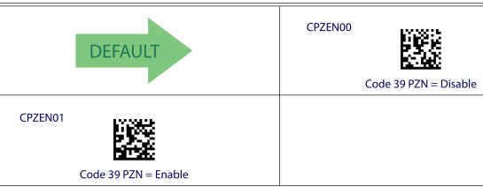

HP Integrated SL Barcode
1D NON-Default

Plessey |  |  |  |  |  |  |  |  | Top

 | original barcode

 | 34198649814923 |  | Note: this may be a bad barcode, so try the alternate barcode.
 | After enabled |  |  |  |  | Before enable
 | no beep | ✗ | no beep | ✗ | JPOS USB-COM | no beep | ✓ | no beep | ✓
 | no beep | ✗ |  |  |  | no beep | ✓
 | no beep | ✗ | no beep | ✗ | OPOS USB-COM | no beep | ✓ | no beep | ✓
 | no beep | ✗ |  |  |  | no beep | ✓
 | no beep | ✗ | N/A | N/A | KB/Composite | no beep | ✓ | N/A | N/A


PASS
 | Alternate barcode

 |  |  |  |  |  | Issue: unknown data type
 |  |  |  |  |  | Data Type undefined in UPOS spec. As desinged.

 | After enabled |  |  |  |  | Before enable
 | a01234ABCDDC | ✓ | unknown | ✗ | JPOS USB-COM | no beep | ✓ | no beep | ✓
 | 01234ABCDDC | ✓ |  |  |  | no beep | ✓
 | a01234ABCDDC | ✓ | Plessy | ✓ | OPOS USB-COM | no beep | ✓ | no beep | ✓
 | 01234ABCDDC | ✓ |  |  |  | no beep | ✓
 | 01234ABCDDC | ✓ | N/A | N/A | KB/Composite | no beep | ✓ | N/A | N/A

HP Integrated SL Barcode
1D NON-Default

GS1 DataBar Limited |  |  |  |  |  |  |  |  | Top

PASS

 | 0101234567890128
 | After enabled |  |  |  |  | Before enable
 | v0101234567890128 | ✓ | unknown | ✗ | JPOS USB-COM | no beep | ✓ | no beep | ✓
 | 0101234567890128 | ✓ |  |  |  | no beep | ✓
 | v0101234567890128 | ✓ | GS1Databar_type2 | ✓ | OPOS USB-COM | no beep | ✓ | no beep | ✓
 | 0101234567890128 | ✓ |  |  |  | no beep | ✓
 | 0101234567890128 | ✓ | N/A | N/A | KB/Composite | no beep | ✓ | N/A | N/A


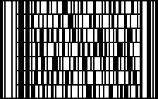
Codablock F |  |  |  |  |  |  |  |  | Top
page ???? |  |  |  |  |  |  |  |  |  |  | Provide barcode for test

 |  |  |  |  | TBD

 |  |  |  |  |  |  |  |  |  |  | lABCabc

 | After enabled |  |  |  |  | Before enable
 |  |  |  |  | JPOS USB-COM

 |  |  |  |  | OPOS USB-COM

 |  |  | N/A | N/A | KB/Composite |  |  | N/A | N/A

 | Codablock F = Disable (Default) |  |  |  | Codablock F = Enable

HP Integrated SL Barcode
2D NON-Default

Aztec |  |  |  |  |  |  |  |  | Top

PASS
 | This is an Aztec Code created by Latricia giroir on the 4th floor of the cca04 bldg
 | Let AztecOUT = This is an Aztec Code created by Latricia giroir on the 4th floor of the cca04 bldg
 | After enabled |  |  |  |  | Before enable
 | !AztecOUT | ✓ | Aztec | ✓ | JPOS USB-COM | no beep | ✓ | no beep | ✓
 | AztecOUT | ✓ |  |  |  | no beep | ✓
 | !AztecOUT | ✓ | Aztec | ✓ | OPOS USB-COM | no beep | ✓ | no beep | ✓
 | AztecOUT | ✓ |  |  |  | no beep | ✓
 | AztecOUT | ✓ | N/A | N/A | KB/Composite | no beep | ✓ | N/A | N/A
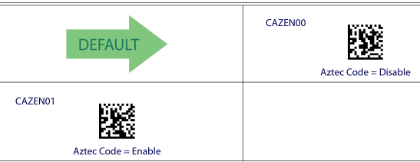

PASS

 |  | Alternative barcode
 | This is Aztec Code
 | After enabled |  |  |  |  | Before enable
 | !This is Aztec Code | P | Aztec | ✓ | JPOS USB-COM | no beep | ✓ | no beep | ✓
 | This is Aztec Code | P |  |  |  | no beep | ✓
 | !This is Aztec Code | P | Aztec | ✓ | OPOS USB-COM | no beep | ✓ | no beep | ✓
 | This is Aztec Code | P |  |  |  | no beep | ✓
 | This is Aztec Code | P | N/A | N/A | KB/Composite | no beep | ✓ | N/A | N/A

HP Integrated SL Barcode
2D NON-Default
Maxicode |  |  |  |  |  |  |  |  | Top


PASS
 |  |  | Gerald Mock maxicode test
 | After enabled |  |  |  |  | Before enable
 | xGerald Mock maxicode test | ✓ | MaxiCode | ✓ | JPOS USB-COM | no beep | ✓ | no beep | ✓
 | Gerald Mock maxicode test | ✓ |  |  |  | no beep | ✓
 | xGerald Mock maxicode test | ✓ | MaxiCode | ✓ | OPOS USB-COM | no beep | ✓ | no beep | ✓
 | Gerald Mock maxicode test | ✓ |  |  |  | no beep | ✓
 | Gerald Mock maxicode test | ✓ | N/A | N/A | KB/Composite | no beep | ✓ | N/A | N/A
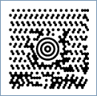

PASS

 |  | 123456789
 | After enabled |  |  |  |  | Before enable
 | x123456789 | ✓ | MaxiCode | ✓ | JPOS USB-COM | no beep | ✓ | no beep | ✓
 | 123456789 | ✓ |  |  |  | no beep | ✓
 | x123456789 | ✓ | MaxiCode | ✓ | OPOS USB-COM | no beep | ✓ | no beep | ✓
 | 123456789 | ✓ |  |  |  | no beep | ✓
 | 123456789 | ✓ | N/A | N/A | KB/Composite | no beep | ✓ | N/A | N/A
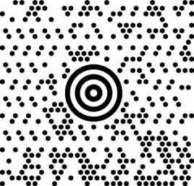
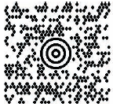

PASS
PASS

 | Wikipedia, the free encyclopedia |  | Let zzz = MaxiCode can be used to efficiently encode carrier sortation and tracking data.
 | After enabled |  |  |  |  | After enabled
 | xWikipedia, the free encyclopedia | ✓ | MaxiCode | ✓ | JPOS USB-COM | xzzz | ✓ | no beep | ✓
 | Wikipedia, the free encyclopedia | ✓ |  |  |  | zzz | ✓
 | xWikipedia, the free encyclopedia | ✓ | MaxiCode | ✓ | OPOS USB-COM | xzzz | ✓ | no beep | ✓
 | Wikipedia, the free encyclopedia | ✓ |  |  |  | zzz | ✓
 | Wikipedia, the free encyclopedia | ✓ | N/A | N/A | KB/Composite | zzz | ✓ | N/A | N/A
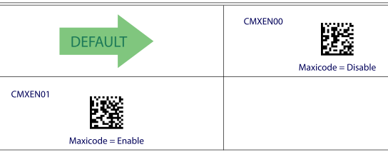

HP Integrated SL Barcode |  |  |  |  |  |  |  |  |  |  |  | Provide barcode for test
2D NON-Default

Micro PDF417 |  | pass |  |  |  |  |  |  | Top

 |  |  |  |  |  |  |  |  |  |  |  | Datalogic Micro PDF417

 |  | original barcode from test plan
 |  | This may be a bad barcode. Let's try the other one.
 | ???????
 | After enabled |  |  |  |  | Before enable
 | no beep | ✗ | no beep | ✗ | JPOS USB-COM | no beep | ✓ | no beep | ✓
 | no beep | ✗ |  |  |  | no beep | ✓
 | no beep | ✗ | no beep | ✗ | OPOS USB-COM | no beep | ✓ | no beep | ✓
 | no beep | ✗ |  |  |  | no beep | ✓
 | no beep | ✗ | N/A | N/A | KB/Composite | no beep | ✓ | N/A | N/A

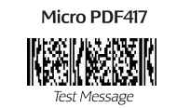

 |  | alternate barcode

PASS
 | abcdefghiJKLMNOPQRSTUVWXYZ01234567890
 | Let MicroPDF417 = abcdefghiJKLMNOPQRSTUVWXYZ01234567890
 | After enabled |  |  |  |  | Before enable
 | 8MicroPDF417 | ✓ | Micro PDF 417 | ✓ | JPOS USB-COM | no beep | ✓ | no beep | ✓
 | MicroPDF417 | ✓ |  |  |  | no beep | ✓
 | 8MicroPDF417 | ✓ | UPDF 417 | ✓ | OPOS USB-COM | no beep | ✓ | no beep | ✓
 | MicroPDF417 | ✓ |  |  |  | no beep | ✓
 | MicroPDF417 | ✓ | N/A | N/A | KB/Composite | no beep | ✓ | N/A | N/A

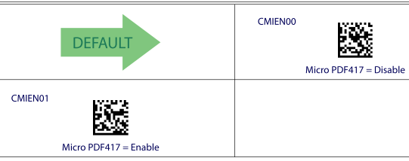

HP Integrated SL Barcode
2D NON-Default

Datamatrix (2D inversed) |  |  |  |  |  |  |  |  | Top

 | sharma grocery $1.95
 | After enabled |  |  |  |  | Before enable
 | wsharma grocery $1.95 | ✓ | Datamatrix | ✓ | JPOS USB-COM | no beep | ✓ | no beep | ✓
 | sharma grocery $1.95 | ✓ |  |  |  | no beep | ✓
 | wsharma grocery $1.95 | ✓ | Datamatrix | ✓ | OPOS USB-COM | no beep | ✓ | no beep | ✓
 | sharma grocery $1.95 | ✓ |  |  |  | no beep | ✓
 | sharma grocery $1.95 | ✓ | N/A | N/A | KB/Composite | no beep | ✓ | N/A | N/A
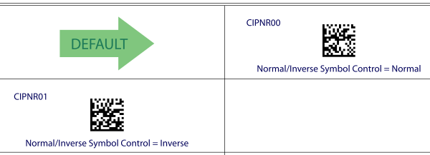

Caution - After we enabled "Inverse" symbol control:
The scanner will not be able to read some of the normal 2D barcodes (including the "Enter/Exit Programming Mode").
For example, we cannot read Datamatrix, QR, Micro QR, Aztec and Chinese Sensible Code normal barcodes.
The following are the inversed barcodes for setting the scanner back to read Normal barcodes.


 |  | or

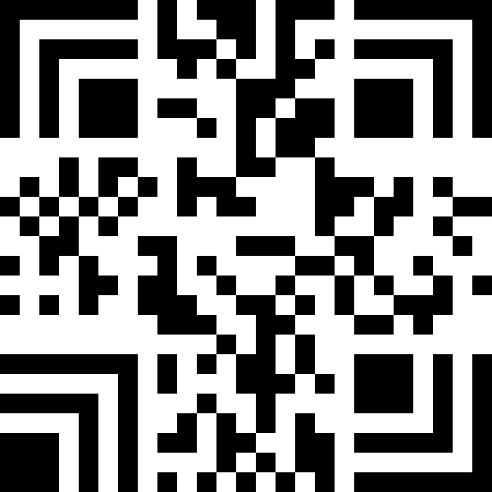
HP Integrated SL Barcode |  |  |  |  |  |  |  |  |  |  |  | Provide barcode for test
2D NON-Default
Chinese Sensible Code |  |  |  |  |  |  |  |  | Top

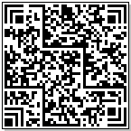
 |  |  | TBD

 |  |  |  |  |  |  |  |  |  |  |  | Datalogic Han Xin Code

 |  |  |  | Issue: no beep
 |  |  |  | Need info from Engineering - barcode
 | Let CSC = ÖÐ¹úÎïÆ·±àÂëÖÐÐÄÑÐ·¢µÄººÐÅÂë£¬ÊÇÎÒ¹úµÚÒ»¸ö×ÔÖ÷ÖªÊ¶²úÈ¨¶þÎ¬ÌõÂëÂëÖÆ±ê×¼£¬¾ßÓÐ±íÊ¾ºº×ÖÄÜÁ¦Ç¿¡¢¿¹ÎÛËð¡¢¿¹»û±ä¡¢ÐÅÏ¢ÈÝÁ¿¸ß¡¢Ê¶¶Á¿ìËÙµÈÌØµã£¬ ·Ç³£ÊÊÓÚÎÒ¹úµÄ¹ã·ºÓ¦ÓÃ¡£
 | After enabled |  |  |  |  | Before enable
 | no beep | ✗ | no beep | ✗ | JPOS USB-COM | no beep | ✓ | no beep | ✓
 | no beep | ✗ |  |  |  | no beep | ✓
 | no beep | ✗ | no beep | ✗ | OPOS USB-COM | no beep | ✓ | no beep | ✓
 | no beep | ✗ |  |  |  | no beep | ✓
 | no beep | ✗ | N/A | N/A | KB/Composite | no beep | ✓ | N/A | N/A

PASS

 | ººÐÅÂë±ê×¼
 | ÖÐ¹úÎïÆ·±àÂëÖÐÐÄ
 | After enabled |  |  |  |  | Before enable
 | garbage characters | ✗ | unknown | ✗ | JPOS USB-COM | no beep | ✓ | no beep | ✓
 | ÖÐ¹úÎïÆ·±àÂëÖÐÐÄ | ✓ |  |  |  | no beep | ✓
 | $SººÐÅÂë±ê×¼ | ✓ | Hanxin | ✓ | OPOS USB-COM | no beep | ✓ | no beep | ✓
 | ººÐÅÂë±ê×¼ | ✓ |  |  |  | no beep | ✓
 | ººÐÅÂë±ê×¼ ÖÐ¹úÎïÆ·±àÂëÖÐÐÄ | ✓ | N/A | N/A | KB/Composite | no beep | ✓ | N/A | N/A

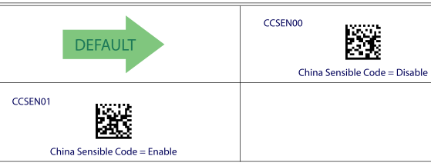

HP Integrated SL Barcode
2D NON-Default

 |  |  |  |  |  |  |  |  | Top
GS1 DataBar Composites
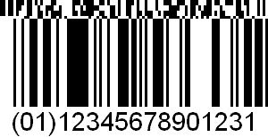

PASS

 | 01123456789012312D-data
 | After enabled |  |  |  |  | Before enable
 | c01123456789012312D-data | ✓ | unknown | ✗ | JPOS USB-COM | u0112345678901231 | ✓ | GS1 DataBar | ✓
 | 01123456789012312D-data | ✓ |  |  |  | 0112345678901231 | ✓
 | c01123456789012312D-data | ✓ | GS1 DataBar/RSS 14 | ✗ | OPOS USB-COM | u0112345678901231 | ✓ | GS1 DataBar/RSS 14 | ✓
 | 01123456789012312D-data | ✓ |  |  |  | 0112345678901231 | ✓
 | 01123456789012312D-data | ✓ | N/A | N/A | KB/Composite | 0112345678901231 | ✓ | N/A | N/A

GS1 DataBar Stacked Omni-directional


PASS

 | 01123456789012312D-data
 | After enabled |  |  |  |  | Before enable
 | c01123456789012312D-data | ✓ | unknown | ✗ | JPOS USB-COM | u0112345678901231 | ✓ | GS1 DataBar | P
 | 01123456789012312D-data | ✓ |  |  |  | 0112345678901231 | ✓
 | c01123456789012312D-data | ✓ | GS1 DataBar/RSS 14 | ✗ | OPOS USB-COM | u0112345678901231 | ✓ | GS1 DataBar/RSS 14 | P
 | 01123456789012312D-data | ✓ |  |  |  | 0112345678901231 | ✓
 | 01123456789012312D-data | ✓ | N/A | N/A | KB/Composite | 0112345678901231 | ✓ | N/A | N/A
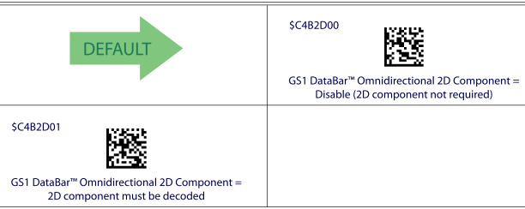

HP Integrated SL Barcode
2D NON-Default

GS1 DataBar Expanded Stacked |  |  |  |  |  |  |  |  | Top



PASS

 | 01012345678901282D-data
 | After enabled |  |  |  |  | Before enable
 | d01012345678901282D-data | ✓ | unknown | ✗ | JPOS USB-COM | t0101234567890128 | ✓ | GS1 DataBar Expanded | P
 | 01012345678901282D-data | ✓ |  |  |  | 0101234567890128 | ✓
 | d01012345678901282D-data | ✓ | GS1 DataBar_E/RSS Expanded | P | OPOS USB-COM | t0101234567890128 | ✓ | GS1 DataBar_E/RSS Expanded | P
 | 01012345678901282D-data | ✓ |  |  |  | 0101234567890128 | ✓
 | 01012345678901282D-data | ✓ | N/A | N/A | KB/Composite | 0101234567890128 | ✓ | N/A | N/A

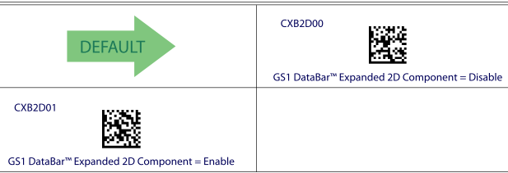

HP Integrated SL Barcode
Postal Codes
Australian |  |  |  |  |  |  |  |  | Top

PASS

 | 11,96184209
 | After enabled |  |  |  |  | Before enable
 | $K11,96184209 | ✓ | unknown | ✗ | JPOS USB-COM | no beep | ✓ | no beep | P
 | 11,96184209 | ✓ |  |  |  | no beep | ✓
 | $K11,96184209 | ✓ | AusPost | P | OPOS USB-COM | no beep | ✓ | no beep | P
 | 11,96184209 | ✓ |  |  |  | no beep | ✓
 | 11,96184209 | ✓ | N/A | N/A | KB/Composite | no beep | ✓ | N/A | N/A

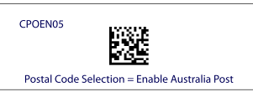

australian domestic |  |  |  |  |  |  |  |  | Top |  |  | Should not a valid kind of barcode

TBD

 |  |  |  |  |  | Issue: no beep
 |  |  |  |  |  | Need info from Engineering - barcode
 | DJS1234567010215
 | After enabled |  |  |  |  | Before enable
 | no beep | ✗ | no beep | ✗ | JPOS USB-COM | no beep | ✓ | no beep | P
 | no beep | ✗ |  |  |  | no beep | ✓
 | no beep | ✗ | no beep | ✗ | OPOS USB-COM | no beep | ✓ | no beep | P
 | no beep | ✗ |  |  |  | no beep | ✓
 | no beep | ✗ | N/A | N/A | KB/Composite | no beep | ✓ | N/A | N/A

HP Integrated SL Barcode
Postal Codes
Japanese |  |  |  |  |  |  |  |  | Top

 | 6540123789-A-K-Z

 | After enabled |  |  |  |  | Before enable
 | $R6540123789-A-K-Z | ✓ | unknown | ✗ | JPOS USB-COM | no beep | ✓ | no beep | P
 | 6540123789-A-K-Z | ✓ |  |  |  | no beep | ✓
 | $R6540123789-A-K-Z | ✓ | JapanPost | P | OPOS USB-COM | no beep | ✓ | no beep | P
 | 6540123789-A-K-Z | ✓ |  |  |  | no beep | ✓
 | 6540123789-A-K-Z | ✓ | N/A | N/A | KB/Composite | no beep | ✓ | N/A | N/A

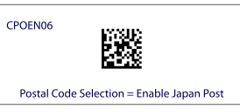
PASS

Planet |  |  |  |  |  |  |  |  | Top

 | 012345678905
 | After enabled |  |  |  |  | Before enable
 | $W012345678905 | ✓ | unknown | ✗ | JPOS USB-COM | no beep | ✓ | no beep | ✓
 | 012345678905 | ✓ |  |  |  | no beep | ✓
 | $W012345678905 | ✓ | UsPlanet | ✓ | OPOS USB-COM | no beep | ✓ | no beep | ✓
 | 012345678905 | ✓ |  |  |  | no beep | ✓
 | 012345678905 | ✓ | N/A | N/A | KB/Composite | no beep | ✓ | N/A | N/A

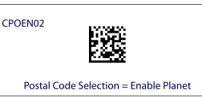
PASS

HP Integrated SL Barcode
Postal Codes
Postnet |  |  |  |  |  |  |  |  | Top
PASS
 | 114455
 | After enabled |  |  |  |  | Before enable
 | $L114455 | ✓ | unknown | ✗ | JPOS USB-COM | no beep | ✓ | no beep | ✓
 | 114455 | ✓ |  |  |  | no beep | ✓
 | $L114455 | ✓ | PostNet | ✓ | OPOS USB-COM | no beep | ✓ | no beep | ✓
 | 114455 | ✓ |  |  |  | no beep | ✓
 | 114455 | ✓ | N/A | N/A | KB/Composite | no beep | ✓ | N/A | N/A

 |  |  |  |  |  |  |  |  |  |  |  | Provide barcode for test
Royal Mail |  |  |  |  |  |  |  |  | Top |  |  | Royal Mail Post
Skip this one because Datalogic cannot read this format of Royal Mail barcode.

 | 123456789
 | After enabled |  |  |  |  | Before enable |  |  |  |  |  | 87,12345678
 | no beep | ✗ | no beep | ✗ | JPOS USB-COM | no beep | ✓ | no beep | ✓
 | no beep | ✗ |  |  |  | no beep | ✓
 | no beep | ✗ | no beep | ✗ | OPOS USB-COM | no beep | ✓ | no beep | ✓
 | no beep | ✗ |  |  |  | no beep | ✓
 | no beep | ✗ | N/A | N/A | KB/Composite | no beep | ✓ | N/A | N/A

 | LU178XE2B
 | no beep | ✗ | no beep | ✗ | JPOS USB-COM | no beep | ✓ | no beep | ✓
 | no beep | ✗ |  |  |  | no beep | ✓
 | no beep | ✗ | no beep | ✗ | OPOS USB-COM | no beep | ✓ | no beep | ✓
 | no beep | ✗ |  |  |  | no beep | ✓
 | no beep | ✗ | N/A | N/A | KB/Composite | no beep | ✓ | N/A | N/A

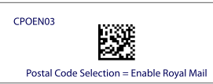

HP Integrated SL Barcode
Postal Codes |  |  |  |  |  |  |  |  |  |  |  | Unknown barcode (should not a valid kind of barcode)

singapore ***** |  |  |  |  |  |  |  |  | Top
page 169
 |  |  | TBD
TBD
 |  |  | Need info from Engineering
 | 1234562
 | After enabled |  |  |  |  | Before enable
 |  |  |  |  | JPOS USB-COM

 |  |  |  |  | OPOS USB-COM

 |  |  | N/A | N/A | KB/Composite |  |  | N/A | N/A

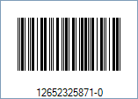
Italian***** |  |  |  |  |  |  |  |  | Top
page 169 |  |  |  |  |  |  |  |  |  |  |  | Unknown barcode (should not a valid kind of barcode)

TBD
 |  |  | TBD

 |  |  | Need info from Engineering

 | 12652325871-0
 | After enabled |  |  |  |  | Before enable
 |  |  |  |  | JPOS USB-COM

 |  |  |  |  | OPOS USB-COM

 |  |  | N/A | N/A | KB/Composite |  |  | N/A | N/A

USB-OEM NON-Default
HP Integrated SL Barcode |  |  |  |  |  |  |  |  |  |  |  | DataLogic SW TEST Comments | Product Support
 |  |  |  |  |  |  |  |  |  |  |  |  | HP QD2131 | HP GD44xx/GBT44xx | HP Tahiti (DPT/non-DPT) | Higgins
1D NON-Default |  | issue |  |  | result | Comments |  |  | Final Result | page |  | Add test pre-condition, update all setting labels to 1D, add note for garbage chars issue
UPC/EAN/JAN (ISBN ) |  | OPOS garbage characters |  |  |  |  |  |  |  | 3 |  |  | YES | YES | YES | YES
UPC/EAN/JAN (Bookland ) |  | OPOS garbage characters |  |  |  |  |  |  |  | 3 |  |  | YES | YES | YES | YES
UPC/EAN/JAN ( ISSN) |  | OPOS garbage characters |  |  |  |  |  |  |  | 4 |  |  | YES | YES | YES | YES
ISSN - 2 |  | OPOS garbage characters |  |  |  |  |  |  |  | 4 |  |  | YES | YES | YES | YES
EAN 13/P2 (with 2 digits Add-On) |  |  |  |  |  |  |  |  |  | 5 |  |  | YES | YES | YES | YES
EAN 13/P5 (with 5 digits Add-On) |  |  |  |  |  |  |  |  |  | 5 |  |  | YES | YES | YES | YES
Code 39 (including full ASCII) |  |  |  |  |  |  |  |  |  | 6 |  |  | YES | YES | YES | YES
Code39 CIP (French Pharmaceutical) |  | OPOS garbage characters |  |  |  |  |  |  |  | 6 |  | Provide recommended barcode | YES | YES | YES | YES
Code 39 (trioptic) |  | OPOS blank characters |  |  |  |  |  |  |  | 7 |  | Provide recommended barcode | YES | YES | YES | YES
LOGMARS (Code 39 w/ standard check digit enabled) |  |  |  |  |  |  |  |  |  | 8 |  |  | YES | YES | YES | YES
Danish PPT Postal |  |  |  |  |  |  |  |  |  | 9 |  | Code 39 PZN (PZEN01), Code Danish PPT (DPEN01), Code 39 La Poste (LPEN01) are eliminate configurations: enabling 1 of them will make scanner unable to read 2 others | NO | YES | YES | YES
Code 32 (Italian Pharmacode 39) |  | - "Start/Stop Character" and "Check Character" are not transmitted by default - OPOS blank characters |  |  |  |  |  |  |  | 9 |  |  | YES | YES | YES | YES
Interleaved 2 of 5 |  |  |  |  |  |  |  |  |  | 10 |  |  | YES | YES | YES | YES
Standard 2of 5 |  |  |  |  |  |  |  |  |  | 11 |  | Provide recommended barcode | YES | YES | YES | YES
Industrial 2 of 5 |  | OPOS blank characters |  |  |  | no beep has been fixed with FW 610077403 |  |  |  | 12 |  |  | YES | YES | YES | YES
IATA 2of5 Air cargo code |  | TBD |  |  |  | Need info from Engineering |  |  | TBD | 12 |  | Provide recommended barcode | YES | YES | YES | YES
Code 11 (with two check digits) |  | OPOS garbage characters |  |  |  |  |  |  |  | 13 |  |  | YES | YES | YES | YES
Code 11 (with one check digit) |  | OPOS garbage characters |  |  |  |  |  |  |  | 13 |  |  | YES | YES | YES | YES
Codabar |  |  |  |  |  |  |  |  |  | 14 |  |  | YES | YES | YES | YES
MSI |  | OPOS garbage characters |  |  |  |  |  |  |  | 15 |  |  | YES | YES | YES | YES
PZN - code 39 |  | TBD |  |  |  | Need info from Engineering |  |  | TBD | 15 |  | Code 39 PZN (PZEN01), Code Danish PPT (DPEN01), Code 39 La Poste (LPEN01) are eliminate configurations: enabling 1 of them will make scanner unable to read 2 others | NO | YES | YES | YES
Plessey |  | OPOS garbage characters |  |  |  |  |  |  |  | 16 |  |  | YES | YES | YES | YES
GS1 DataBar Limited |  |  |  |  |  |  |  |  |  | 17 |  |  | YES | YES | YES | YES
Codablock F |  | TBD |  |  |  | Not supported per Engineering |  |  | NA |  |  | Provide recommended barcode, also add programming labels to enable/disable Codablock F | YES | NO | NO | NO
2D NON-Default |  | issue |  |  | result | Comments |  |  | Final Result | page
Aztec |  |  |  |  |  |  |  |  |  | 18 |  |  | NO | YES | YES | YES
Maxicode |  |  |  |  |  |  |  |  |  | 19 |  |  | NO | YES | YES | YES
Micro PDF417 |  | OPOS garbage characters |  |  |  |  |  |  |  | 20 |  | Provide recommended barcode | NO | YES | YES | YES
Datamatrix (2D inversed) |  |  |  |  |  |  |  |  |  | 21 |  |  | NO | YES | YES | YES
Chinese Sensible Code |  | OPOS garbage characters |  |  |  | WNF - garbage characters in JPOS |  |  |  | 22 |  | Provide recommended barcode | NO | YES | YES | YES
GS1 DataBar Stacked Omni-directional |  | OPOS garbage characters |  |  |  |  |  |  |  | 23 |  |  | NO | YES | YES | YES
GS1 DataBar Expanded Stacked |  | OPOS garbage characters |  |  |  |  |  |  |  | 24 |  |  | NO | YES | YES | YES
Postal Codes |  | issue |  |  | result | Comments |  |  | Final Result | page
Australian |  | OPOS garbage characters |  |  |  |  |  |  |  | 25 |  |  | NO | YES | YES | YES
australian domestic |  | TBD |  |  |  | Need info from Engineering |  |  | TBD | 25 |  | Unknown barcode (should not a valid kind of barcode) | NO | NO | NO | NO
Japanese |  | OPOS garbage characters |  |  |  |  |  |  |  | 26 |  |  | NO | YES | YES | YES
Planet |  | OPOS garbage characters |  |  |  |  |  |  |  | 26 |  |  | NO | YES | YES | YES
Postnet |  | OPOS blank characters |  |  |  |  |  |  |  | 27 |  |  | NO | YES | YES | YES
Royal Mail |  | OPOS garbage characters |  |  |  |  |  |  |  | 27 |  | Provide recommended barcode | NO | YES | YES | YES
singapore ***** |  | TBD |  |  |  | Need info from Engineering |  |  | TBD | 28 |  | Unknown barcode (should not a valid kind of barcode) | NO | NO | NO | NO
Italian***** |  | TBD |  |  |  | Need info from Engineering |  |  | TBD | 28 |  | Unknown barcode (should not a valid kind of barcode) | NO | NO | NO | NO
USB_OEM_NON_Default_

Versions |  |  |  |  |  | Pre-condition:
- JPOS Service Object version: 1.13.112 |  |  |  |  |  | - Before running test, connect to HP USB Scanner Configuration Utility, write CCF file
- JPOS Application version: 1.13.56 |  |  |  |  |  | - Each HP Scanner should has an special CCF file
- OPOS Service Object version: 1.13.115 |  |  |  |  |  | - Switch to test interface:
- OPOS test utility version: 1.13.0.104 |  |  |  |  |  | - Use latest version of JPOS/OPOS that fix garbage chars issue
- USB-COM: 5.26.0.0
- Firmware: 610077403 |  |  |  |  |  |  |  |  |  |  |  | Garbage chars issue: It will happen on any symbology in OEM USB in the cases where the specified Label ID’s are non-printable characters. POSTest is an application which displays characters based upon the local code page of the PC, and it is the fact that in OEM USB, the Label ID’s are often non-printable. The ScanData field by UPOS specification should contain the Label ID’s; if these happen to be non-printable, “garbage characters” will result. This has been explaine to the Customer, and they are okay with this and expect the results to be consistent with previous releases.

Note: different garbage characters may be observed depending on what Font files are installed on your system.

Note that: "Label ID" will not be transmitted under USB-OEM interface (SIO1254884)
HP Integrated SL Barcode
1D NON-Default
UPC/EAN/JAN (ISBN ) |  |  |  |  |  |  |  |  | Top

 | 9781234567897
 | After enabled |  |  |  |  | Before enable
 | 123456789X | ✓ | unknown | ✗ | JPOS USB-OEM | 9781234567897 | ✓ | JAN13/EAN13 | ✓
 | 123456789X | ✓ |  |  |  | 9781234567897 | ✓
OPOS Fail
 | 123456789X | ✓ | unknown | ✗ | OPOS USB-OEM | 9781234567897 | ✓ | EAN/JAN-13 | ✓
 | garbage characters | ✗ |  |  |  | 9781234567897 | ✓

UPC/EAN/JAN (Bookland )

 | 9783419834985
 | After enabled |  |  |  |  | Before enable
 | 3419834985 | ✓ | unknown | ✗ | JPOS USB-OEM | 9783419834985 | ✓ | JAN13/EAN13 | ✓
 | 3419834985 | ✓ |  |  |  | 9783419834985 | ✓
OPOS Fail
 | 3419834985 | ✓ | unknown | ✗ | OPOS USB-OEM | 9783419834985 | ✓ | EAN/JAN-13 | ✓
 | garbage characters | ✗ |  |  |  | 9783419834985 | ✓

This option enables/disables conversion of EAN 13/JAN 13 labels starting with 978 to ISBN labels.
EAN-13 is enabled by default.

 | alternative barcode

 | 9783419834985
 | After enabled |  |  |  |  | Before enable
 | 9274927525 | ✓ | unknown | ✗ | JPOS USB-OEM | 9789274927527 | ✓ | JAN13/EAN13 | ✓
 | 9274927525 | ✓ |  |  |  | 9789274927527 | ✓
OPOS Fail
 | 9274927525 | ✓ | unknown | ✗ | OPOS USB-OEM | 9789274927527 | ✓ | EAN/JAN-13 | ✓
 | garbage characters | ✗ |  |  |  | 9789274927527 | ✓

HP Integrated SL Barcode
1D NON-Default

UPC/EAN/JAN ( ISSN) |  |  |  |  |  |  |  |  | Top

 | 9771234567898
 | After enabled |  |  |  |  | Before enable
 | 12345679 | ✓ | unknown | ✗ | JPOS USB-OEM | 9771234567898 | ✓ | JAN13/EAN13 | ✓
 | 12345679 | ✓ |  |  |  | 9771234567898 | ✓
OPOS Fail
 | 12345679 | ✓ | unknown | ✗ | OPOS USB-OEM | 9771234567898 | ✓ | EAN/JAN-13 | ✓
 | garbage characters | ✗ |  |  |  | 9771234567898 | ✓

ISSN - 2

 | 9771234567898
 | After enabled |  |  |  |  | Before enable
 | 12345679 | ✓ | unknown | ✗ | JPOS USB-OEM | 9771234567898 | ✓ | JAN13/EAN13 | ✓
 | 12345679 | ✓ |  |  |  | 9771234567898 | ✓
OPOS Fail
 | 12345679 | ✓ | unknown | ✗ | OPOS USB-OEM | 9771234567898 | ✓ | EAN/JAN-13 | ✓
 | garbage characters | ✗ |  |  |  | 9771234567898 | ✓

Enables/disables conversion of EAN/JAN13 labels starting with 977 to ISSN labels.
EAN-13 is enabled by default.

HP Integrated SL Barcode
1D NON-Default
EAN 13/P2 (with 2 digits Add-On) |  |  |  |  |  |  |  |  | Top

PASS

 | After enabled Add-Ons |  |  |  |  | Before enable Add-Ons
 | 977123456789812 | ✓ | EAN13 with supplemental | ✓ | JPOS USB-OEM | 9771234567898 | ✓ | JAN13/EAN13 | ✓
 | 977123456789812 | ✓ |  |  |  | 9771234567898 | ✓
 | 977123456789812 | ✓ | EAN13_S | ✓ | OPOS USB-OEM | 9771234567898 | ✓ | EAN/JAN-13 | ✓
 | 977123456789812 | ✓ |  |  |  | 9771234567898 | ✓

If a UPC/EAN base label and an add-on are both decoded, the reader will transmit the base label and add-on.
In this example, we enable add-ons only, so 977 is not decoded.

EAN 13/P5 (with 5 digits Add-On)

PASS

 | After enabled Add-Ons |  |  |  |  | Before enable Add-Ons
 | 977147396801290200 | ✓ | EAN13 with supplemental | ✓ | JPOS USB-OEM | 9771473968012 | ✓ | JAN13/EAN13 | ✓
 | 977147396801290200 | ✓ |  |  |  | 9771473968012 | ✓
 | 977147396801290200 | ✓ | EAN13_S | ✓ | OPOS USB-OEM | 9771473968012 | ✓ | EAN/JAN-13 | ✓
 | 977147396801290200 | ✓ |  |  |  | 9771473968012 | ✓

If a UPC/EAN base label and an add-on are both decoded, the reader will transmit the base label and add-on.

HP Integrated SL Barcode
1D NON-Default
Code 39 (including full ASCII) |  |  |  |  |  |  |  |  | Top

PASS

 | After enabled |  |  |  |  | Before enable
 | Aa-1234 | ✓ | Code 39 | ✓ | JPOS USB-OEM | A+A-1234 | ✓ | Code 39 | ✓
 | Aa-1234 | ✓ |  |  |  | A+A-1234 | ✓
 | Aa-1234 | ✓ | Code 39 | ✓ | OPOS USB-OEM | A+A-1234 | ✓ | Code 39 | ✓
 | Aa-1234 | ✓ |  |  |  | A+A-1234 | ✓

Code39 CIP (French Pharmaceutical) |  |  |  |  |  |  |  |  |  |  |  | Provide barcode for test

 | original barcode from test plan |  | This may be a wrong barcode. So, let's try to use the alternate barcode.
 | After enabled |  |  |  |  | Before enable
 | V+11445441M | ✓ | Code 39 | ✗ | JPOS USB-OEM | V+11445441M | ✓ | Code 39 | ✓
 | +11445441M | ✓ |  |  |  | +11445441M | ✓
 | V+11445441M | ✓ | Code 39 | ✗ | OPOS USB-OEM | V+11445441M | ✓ | Code 39 | ✓
 | +11445441M | ✓ |  |  |  | +11445441M | ✓

PASS

 | After enabled |  |  |  |  | Before enable
 | 3216775 | ✓ | unknown | ✗ | JPOS USB-OEM | 3216775 | ✓ | Code 39 | ✓
 | 3216775 | ✓ |  |  |  | 3216775 | ✓
OPOS Fail
 | 3216775 | ✓ | unknown | ✗ | OPOS USB-OEM | 3216775 | ✓ | Code 39 | ✓
 | garbage characters | ✗ |  |  |  | 3216775 | ✓

HP Integrated SL Barcode
1D NON-Default

Code 39 (trioptic) |  |  |  |  |  |  |  |  | Top |  |  | Provide barcode for test

 | original barcode | This may be a wrong barcode. So, let's try to use the alternate barcode.
 | After enabled |  |  |  |  | Before enable
 | V1234567 | ✓ | Code39 | ✗ | JPOS USB-OEM | V1234567 | ✓ | Code 39 | ✓
 | 1234567 | ✓ |  |  |  | 1234567 | ✓
 | V1234567 | ✓ | Code39 | ✗ | OPOS USB-OEM | V1234567 | ✓ | Code 39 | ✓
 | 1234567 | ✓ |  |  |  | 1234567 | ✓

 | Alternate barcode

 | 345345
 | After enabled |  |  |  |  | Before enable
 | 345345 | ✓ | unknown | ✗ | JPOS USB-OEM | no beep | ✓ | no beep | ✓
 | 345345 | ✓ |  |  |  | no beep | ✓
OPOS Fail
 | 345345 | ✓ | unknown | ✗ | OPOS USB-OEM | no beep | ✓ | no beep | ✓
 | blank | ✗ |  |  |  | no beep | ✓

HP Integrated SL Barcode
1D NON-Default

LOGMARS (Code 39 w/ standard check digit enabled) |  |  |  |  |  |  |  |  | Top
PASS

 | After enabled step 1 only |  |  |  |  | Before enable
 | +11445441M | ✓ | Code 39 | ✓ | JPOS USB-OEM | +11445441M | ✓ | Code 39 | ✓
 | +11445441M | ✓ |  |  |  | +11445441M | ✓
 | +11445441M | ✓ | Code 39 | ✓ | OPOS USB-OEM | +11445441M | ✓ | Code 39 | ✓
 | +11445441M | ✓ |  |  |  | +11445441M | ✓

 | Step 1: We need to enable "Code 39 Standard Check Character Calculation" , otherwise any check character
 | in the label is treated as data character.

 | Step 2: We need to "disable the transmission" of the Check Character to verify that the check character is not
 | being treated as data character.

 | After finished step 1 & 2 |  |  |  |  | Before enable
 | +11445441 | ✓ | Code 39 | ✓ | JPOS USB-OEM | +11445441M | ✓ | Code 39 | ✓
 | +11445441 | ✓ |  |  |  | +11445441M | ✓
 | +11445441 | ✓ | Code 39 | ✓ | OPOS USB-OEM | V+11445441M | ✓ | Code 39 | ✓
 | +11445441 | ✓ |  |  |  | +11445441M | ✓

HP Integrated SL Barcode
1D NON-Default |  |  |  |  |  |  |  |  |  |  |  | Code 39 PZN (PZEN01), Code Danish PPT (DPEN01), Code 39 La Poste (LPEN01) are eliminate configurations: enabling 1 of them will make scanner unable to read 2 others
Danish PPT Postal |  |  |  |  |  |  |  |  | Top

PASS

 | 12345678908DK
 | After enabled |  |  |  |  | Before enable
 | 12345678908DK | ✓ | Code 39 | ✓ | JPOS USB-OEM | no beep | ✓ | no beep | ✓
 | 12345678908DK | ✓ |  |  |  | no beep | ✓
 | 12345678908DK | ✓ | Code 39 | ✓ | OPOS USB-OEM | no beep | ✓ | no beep | ✓
 | 12345678908DK | ✓ |  |  |  | no beep | ✓

Code 32 (Italian Pharmacode 39) |  |  |  |  |  |  |  |  | Top
 |  | - character "A" (ASCII 65) which is not really encoded
 | Note: | - 8 digits for Pharmacode (It generally begins/is prefixed with 0 - zero)
 |  | - the last digit is the checksum digit

 | 01234567
 | After enabled |  |  |  |  | Before enable
 | 123456 | ? | unknown | O | JPOS USB-OEM | OCSSBD | ✓ | Code 39 | ✓
 | 123456 | ? |  |  |  | OCSSBD | ✓
OPOS Fail
 | 123456 | ✓ | unknown | O | OPOS USB-OEM | OCSSBD | ✓ | Code 39 | ✓
 | blank | ✗ |  |  |  | OCSSBD | ✓

 | The following options apply to the Code 32 (Italian Pharmaceutical Code) symbology.
 | When disabled, the reader will not read Code 32 bar codes.

Issue:
- "Start/Stop Character" and "Check Character" are not transmitted by default in "HP Imtegrated SL Scanner", but all other scanners transmit these characters by default.
Expected output = 01234567

Fail ?
PASS ?

HP Integrated SL Barcode
1D NON-Default
Interleaved 2 of 5 |  |  |  |  |  |  |  |  | Top

PASS
 | 12345670
 | After enabled |  |  |  |  | Before enable
 | 12345670 | ✓ | Interleaved 2 of 5 | ✓ | JPOS USB-OEM | no beep | ✓ | no beep | ✓
 | 12345670 | ✓ |  |  |  | no beep | ✓
 | 12345670 | ✓ | ITF | ✓ | OPOS USB-OEM | no beep | ✓ | no beep | ✓
 | 12345670 | ✓ |  |  |  | no beep | ✓

HP Integrated SL Barcode
1D NON-Default
Standard 2of 5 |  |  |  |  |  |  |  |  | Top |  |  | Use recommended barcode for test (Standard 2 of 5 narrow bar, print ratio 1:2:1)

PASS
 |  |  | narrow bar
 |  |  | W/N ration of 2:1 (less common)
 | 12345670
 | After enabled |  |  |  |  | Before enable
 | 876543212 | ✓ | 2 of 5 | ✓ | JPOS USB-OEM | no beep | ✓ | no beep | ✓
 | 876543212 | ✓ |  |  |  | no beep | ✓
 | 876543212 | ✓ | TF | ✓ | OPOS USB-OEM | no beep | ✓ | no beep | ✓
 | 876543212 | ✓ |  |  |  | no beep | ✓

PASS
 |  |  | wide bar
 |  |  | W/N ration of 3:1 (most popular)

 | After enabled |  |  |  |  | Before enable
 | 876543212 | ✓ | 2 of 5 | ✓ | JPOS USB-OEM | no beep | ✓ | no beep | ✓
 | 876543212 | ✓ |  |  |  | no beep | ✓
 | 876543212 | ✓ | TF | ✓ | OPOS USB-OEM | no beep | ✓ | no beep | ✓
 | 876543212 | ✓ |  |  |  | no beep | ✓

PASS

 |  |  |  | (wide bar from Datalogic)

 | After enabled |  |  |  |  | Before enable
 | 1234567895 | ✓ | 2 of 5 | ✓ | JPOS USB-OEM | no beep | ✓ | no beep | ✓
 | 1234567895 | ✓ |  |  |  | no beep | ✓
 | 1234567895 | ✓ | TF | ✓ | OPOS USB-OEM | no beep | ✓ | no beep | ✓
 | 1234567895 | ✓ |  |  |  | no beep | ✓

HP Integrated SL Barcode
1D NON-Default
Industrial 2 of 5 |  |  |  |  |  |  |  |  | Top

 |  |  |  | (Industrial 2 of 5 from Datalogic)
 | W012345
 | After enabled |  |  |  |  | Before enable
 | 012345 | ✓ | unknown | O | JPOS USB-OEM | no beep | ✓ | no beep | ✓
 | 012345 | ✓ |  |  |  | no beep | ✓
OPOS Fail
 | 012345 | ✓ | unknown | O | OPOS USB-OEM | no beep | ✓ | no beep | ✓
 | blank | ✗ |  |  |  | no beep | ✓

TBD
IATA 2of5 Air cargo code |  | should be "&" |  |  |  |  |  |  | Top |  |  | Provide barcode for test

 |  |  |  |  | Issue: | inconsistent data type in JPOS and OPOS
 |  |  |  |  | - need to verify if this is a correct "IATA 2of5" barcode
 | 0123456789 |  |  |  | Need info from Engineering - UPOS spec
 | After enabled |  |  |  |  | Before enable
 | no beep | ✗ | no beep | ✗ | JPOS USB-OEM | no beep | ✓ | no beep | ✓
 | no beep | ✗ |  |  |  | no beep | ✓
 | no beep | ✗ | no beep | ✗ | OPOS USB-OEM | no beep | ✓ | no beep | ✓
 | no beep | ✗ |  |  |  | no beep | ✓

HP Integrated SL Barcode
1D NON-Default
Code 11 |  |  |  |  |  |  |  |  | Top
Code 11 (with two check digits)

Note: Code11 can have one or two check digits. Normally, if data is less than 10 characters only one check digit is used,
 | otherwise, it will have two check digits.
Alternate barcode: Code11 (with two check digits)

 | After enabled |  |  |  |  | Before enable
 | 4354-345345-34534537 | ✓ | unknown | O | JPOS USB-OEM | no beep | ✓ | no beep | ✓
 | 4354-345345-34534537 | ✓ |  |  |  | no beep | ✓
OPOS Fail
 | 4354-345345-34534537 | ✓ | unknown | O | OPOS USB-OEM | no beep | ✓ | no beep | ✓
 | garbage characters | ✗ |  |  |  | no beep | ✓

Code 11 (with one check digit)
Alternate barcode: Code11 (with one check digit)

 |  |  |  |  | (Code11 from Datalogic)

 | After enabling "Code 11" and "Check C" |  |  |  |  | Before enable
 | 1234561 | ✓ | unknown | O | JPOS USB-OEM | no beep | ✓ | no beep | ✓
 | 1234561 | ✓ |  |  |  | no beep | ✓
OPOS Fail
 | 1234561 | ✓ | unknown | O | OPOS USB-OEM | no beep | ✓ | no beep | ✓
 | garbage characters | ✗ |  |  |  | no beep | ✓

HP Integrated SL Barcode
1D NON-Default

Codabar |  |  |  |  |  |  |  |  | Top

PASS
 | 123456789

 | After enabled |  |  |  |  | Before enable
 | a123456789a | ✓ | Codabar | ✓ | JPOS USB-OEM | no beep | ✓ | no beep | ✓
 | a123456789a | ✓ |  |  |  | no beep | ✓
 | a123456789a | ✓ | Codabar | ✓ | OPOS USB-OEM | no beep | ✓ | no beep | ✓
 | a123456789a | ✓ |  |  |  | no beep | ✓

 | page 131

 | After disabling Start/Stop Character Transmission:
 | 123456789 | ✓ | Codabar | ✓ | JPOS USB-OEM
 | 123456789 | ✓
 | 123456789 | ✓ | Codabar | ✓ | OPOS USB-OEM
 | 123456789 | ✓

HP Integrated SL Barcode
1D NON-Default
MSI |  |  |  |  |  |  |  |  | Top

 | 1234567895
 | After enabled |  |  |  |  | Before enable
 | 012345674 | ✓ | unknown | ✗ | JPOS USB-OEM | no beep | ✓ | no beep | ✓
 | 012345674 | ✓ |  |  |  | no beep | ✓
OPOS Fail
 | 012345674 | ✓ | unknown | ✗ | OPOS USB-OEM | no beep | ✓ | no beep | ✓
 | garbage characters | ✗ |  |  |  | no beep | ✓

TBD
Same
PZN - code 39 |  |  |  |  |  | should be "$Z" |  |  | Top |  |  | Code 39 PZN (PZEN01), Code Danish PPT (DPEN01), Code 39 La Poste (LPEN01) are eliminate configurations: enabling 1 of them will make scanner unable to read 2 others

 |  |  |  |  |  |  | Need info from Engineering
 |  |  | Issue: There is no difference between "enable" and "disable" enable.
 |  |  |  | (enable/disable got the same results)
 | 1234562 |  | Question: What should be the correct data type?
 | After enabled |  |  |  |  | Before enable
 | V-1234562 | ✗ | Code 39 | ? | JPOS USB-OEM | V-1234562 | ? | Code 39 | ?
 | -1234562 | ? |  |  |  | -1234562 | ?
 | V-1234562 | ✗ | Code 39 | ? | OPOS USB-OEM | V-1234562 | ? | Code 39 | ?
 | -1234562 | ? |  |  |  | -1234562 | ?

HP Integrated SL Barcode
1D NON-Default

Plessey |  |  |  |  |  |  |  |  | Top

 | original barcode

 | 34198649814923 |  | Note: this may be a bad barcode, so try the alternate barcode.
 | After enabled |  |  |  |  | Before enable
 | no beep | ✗ | no beep | ✗ | JPOS USB-OEM | no beep | ✓ | no beep | ✓
 | no beep | ✗ |  |  |  | no beep | ✓
 | no beep | ✗ | no beep | ✗ | OPOS USB-OEM | no beep | ✓ | no beep | ✓
 | no beep | ✗ |  |  |  | no beep | ✓

 | Alternate barcode

 | After enabled |  |  |  |  | Before enable
 | 01234ABCDDC | ✓ | unknown | ✗ | JPOS USB-OEM | no beep | ✓ | no beep | ✓
 | 01234ABCDDC | ✓ |  |  |  | no beep | ✓
OPOS Fail
 | 01234ABCDDC | ✓ | unknown | ✗ | OPOS USB-OEM | no beep | ✓ | no beep | ✓
 | garbage characters | ✗ |  |  |  | no beep | ✓

HP Integrated SL Barcode
1D NON-Default

GS1 DataBar Limited |  |  |  |  |  |  |  |  | Top

PASS

 | 0101234567890128
 | After enabled |  |  |  |  | Before enable
 | 0101234567890128 | ✓ | GS1 DataBar | ✓ | JPOS USB-OEM | no beep | ✓ | no beep | ✓
 | 0101234567890128 | ✓ |  |  |  | no beep | ✓
 | 0101234567890128 | ✓ | GS1Databar | RSS14 | ✓ | OPOS USB-OEM | no beep | ✓ | no beep | ✓
 | 0101234567890128 | ✓ |  |  |  | no beep | ✓

Codablock F |  |  |  |  |  |  |  |  | Top
page ???? |  |  |  |  |  |  |  |  |  |  | Provide barcode for test

 |  |  |  |  | TBD

 |  |  |  |  |  |  |  |  |  |  | lABCabc

 | After enabled |  |  |  |  | Before enable
 |  |  |  |  | JPOS USB-OEM

 |  |  |  |  | OPOS USB-OEM

HP Integrated SL Barcode
2D NON-Default

Aztec |  |  |  |  |  |  |  |  | Top

PASS
 | This is an Aztec Code created by Latricia giroir on the 4th floor of the cca04 bldg
 | Let AztecOUT = This is an Aztec Code created by Latricia giroir on the 4th floor of the cca04 bldg
 | After enabled |  |  |  |  | Before enable
 | AztecOUT | ✓ | Aztec | ✓ | JPOS USB-OEM | no beep | ✓ | no beep | ✓
 | AztecOUT | ✓ |  |  |  | no beep | ✓
 | AztecOUT | ✓ | Aztec | ✓ | OPOS USB-OEM | no beep | ✓ | no beep | ✓
 | AztecOUT | ✓ |  |  |  | no beep | ✓

PASS

 |  | Alternative barcode
 | This is Aztec Code
 | After enabled |  |  |  |  | Before enable
 | This is Aztec Code | P | Aztec | ✓ | JPOS USB-OEM | no beep | ✓ | no beep | ✓
 | This is Aztec Code | P |  |  |  | no beep | ✓
 | This is Aztec Code | P | Aztec | ✓ | OPOS USB-OEM | no beep | ✓ | no beep | ✓
 | This is Aztec Code | P |  |  |  | no beep | ✓

HP Integrated SL Barcode
2D NON-Default
Maxicode |  |  |  |  |  |  |  |  | Top

PASS
 |  |  | Gerald Mock maxicode test
 | After enabled |  |  |  |  | Before enable
 | Gerald Mock maxicode test | ✓ | MaxiCode | ✓ | JPOS USB-OEM | no beep | ✓ | no beep | ✓
 | Gerald Mock maxicode test | ✓ |  |  |  | no beep | ✓
 | Gerald Mock maxicode test | ✓ | MaxiCode | ✓ | OPOS USB-OEM | no beep | ✓ | no beep | ✓
 | Gerald Mock maxicode test | ✓ |  |  |  | no beep | ✓

PASS

 |  | 123456789
 | After enabled |  |  |  |  | Before enable
 | 123456789 | ✓ | MaxiCode | ✓ | JPOS USB-OEM | no beep | ✓ | no beep | ✓
 | 123456789 | ✓ |  |  |  | no beep | ✓
 | 123456789 | ✓ | MaxiCode | ✓ | OPOS USB-OEM | no beep | ✓ | no beep | ✓
 | 123456789 | ✓ |  |  |  | no beep | ✓

PASS
PASS

 | Wikipedia, the free encyclopedia |  | Let zzz = MaxiCode can be used to efficiently encode carrier sortation and tracking data.
 | After enabled |  |  |  |  | After enabled
 | Wikipedia, the free encyclopedia | ✓ | MaxiCode | ✓ | JPOS USB-OEM | zzz | ✓ | no beep | ✓
 | Wikipedia, the free encyclopedia | ✓ |  |  |  | zzz | ✓
 | Wikipedia, the free encyclopedia | ✓ | MaxiCode | ✓ | OPOS USB-OEM | zzz | ✓ | no beep | ✓
 | Wikipedia, the free encyclopedia | ✓ |  |  |  | zzz | ✓

HP Integrated SL Barcode
2D NON-Default

Micro PDF417 |  | pass |  |  |  |  |  |  | Top |  |  | Provide barcode for test

 |  | original barcode from test plan
 |  | This may be a bad barcode. Let's try the other one. |  |  |  |  |  |  |  |  |  | Datalogic Micro PDF417
 | ???????
 | After enabled |  |  |  |  | Before enable
 | no beep | ✗ | no beep | ✗ | JPOS USB-OEM | no beep | ✓ | no beep | ✓
 | no beep | ✗ |  |  |  | no beep | ✓
 | no beep | ✗ | no beep | ✗ | OPOS USB-OEM | no beep | ✓ | no beep | ✓
 | no beep | ✗ |  |  |  | no beep | ✓

 |  | alternate barcode

 | abcdefghiJKLMNOPQRSTUVWXYZ01234567890
 | Let MicroPDF417 = abcdefghiJKLMNOPQRSTUVWXYZ01234567890
 | After enabled |  |  |  |  | Before enable
 | MicroPDF417 | ✓ | unknown | ✗ | JPOS USB-OEM | no beep | ✓ | no beep | ✓
 | MicroPDF417 | ✓ |  |  |  | no beep | ✓
OPOS Fail
 | MicroPDF417 | ✓ | unknown | ✗ | OPOS USB-OEM | no beep | ✓ | no beep | ✓
 | garbage characters | ✗ |  |  |  | no beep | ✓

HP Integrated SL Barcode
2D NON-Default

Datamatrix (2D inversed) |  |  |  |  |  |  |  |  | Top

PASS
 | sharma grocery $1.95
 | After enabled |  |  |  |  | Before enable
 | sharma grocery $1.95 | ✓ | Datamatrix | ✓ | JPOS USB-OEM | no beep | ✓ | no beep | ✓
 | sharma grocery $1.95 | ✓ |  |  |  | no beep | ✓
 | sharma grocery $1.95 | ✓ | Datamatrix | ✓ | OPOS USB-OEM | no beep | ✓ | no beep | ✓
 | sharma grocery $1.95 | ✓ |  |  |  | no beep | ✓

Caution - After we enabled "Inverse" symbol control:
The scanner will not be able to read some of the normal 2D barcodes (including the "Enter/Exit Programming Mode").
For example, we cannot read Datamatrix, QR, Micro QR, Aztec and Chinese Sensible Code normal barcodes.
The following are the inversed barcodes for setting the scanner back to read Normal barcodes.

 |  | or

HP Integrated SL Barcode
2D NON-Default
Chinese Sensible Code |  |  |  |  |  |  |  |  | Top |  |  | Provide barcode for test

 |  |  | TBD

 |  |  |  |  |  |  |  |  |  |  |  | Datalogic Han Xin Code
 |  |  |  | Issue: no beep
 |  |  |  | Need info from Engineering - barcode
 | Let CSC = ÖÐ¹úÎïÆ·±àÂëÖÐÐÄÑÐ·¢µÄººÐÅÂë£¬ÊÇÎÒ¹úµÚÒ»¸ö×ÔÖ÷ÖªÊ¶²úÈ¨¶þÎ¬ÌõÂëÂëÖÆ±ê×¼£¬¾ßÓÐ±íÊ¾ºº×ÖÄÜÁ¦Ç¿¡¢¿¹ÎÛËð¡¢¿¹»û±ä¡¢ÐÅÏ¢ÈÝÁ¿¸ß¡¢Ê¶¶Á¿ìËÙµÈÌØµã£¬ ·Ç³£ÊÊÓÚÎÒ¹úµÄ¹ã·ºÓ¦ÓÃ¡£
 | After enabled |  |  |  |  | Before enable
 | no beep | ✗ | no beep | ✗ | JPOS USB-OEM | no beep | ✓ | no beep | ✓
 | no beep | ✗ |  |  |  | no beep | ✓
 | no beep | ✗ | no beep | ✗ | OPOS USB-OEM | no beep | ✓ | no beep | ✓
 | no beep | ✗ |  |  |  | no beep | ✓

Fail
 | ººÐÅÂë±ê×¼
 | ÖÐ¹úÎïÆ·±àÂëÖÐÐÄ
 | After enabled |  |  |  |  | Before enable
 | garbage characters | ✗ | unknown | ✗ | JPOS USB-OEM | no beep | ✓ | no beep | ✓
 | ººÐÅÂë±ê×¼ ÖÐ¹úÎïÆ·±àÂëÖÐÐÄ | ✓ |  |  |  | no beep | ✓
OPOS Fail
 | $SººÐÅÂë±ê×¼ | ✓ | unknown | ✗ | OPOS USB-OEM | no beep | ✓ | no beep | ✓
 | garbage characters | ✗ |  |  |  | no beep | ✓

HP Integrated SL Barcode
2D NON-Default

GS1 Composites (1 - 12) |  |  |  |  |  |  |  |  | Top
GS1 DataBar Composites

 | 01123456789012312D-data
 | After enabled |  |  |  |  | Before enable
 | 01123456789012312D-data | ✓ | unknown | ✗ | JPOS USB-OEM | 0112345678901231 | ✓ | GS1 DataBar | ✓
 | 01123456789012312D-data | ✓ |  |  |  | 0112345678901231 | ✓
OPOS Fail
 | 01123456789012312D-data | ✓ | unknown | ✗ | OPOS USB-OEM | 0112345678901231 | ✓ | GS1 DataBar/RSS 14 | ✓
 | garbage characters | ✗ |  |  |  | 0112345678901231 | ✓

GS1 DataBar Stacked Omni-directional

 | 01123456789012312D-data
 | After enabled |  |  |  |  | Before enable
 | 01123456789012312D-data | ✓ | unknown | ✗ | JPOS USB-OEM | 0112345678901231 | ✓ | GS1 DataBar | P
 | 01123456789012312D-data | ✓ |  |  |  | 0112345678901231 | ✓
OPOS Fail
 | 01123456789012312D-data | ✓ | unknown | ✗ | OPOS USB-OEM | 0112345678901231 | ✓ | GS1 DataBar/RSS 14 | P
 | garbage characters | ✗ |  |  |  | 0112345678901231 | ✓

HP Integrated SL Barcode
2D NON-Default

GS1 DataBar Expanded Stacked |  |  |  |  |  |  |  |  | Top

 | 01012345678901282D-data
 | After enabled |  |  |  |  | Before enable
 | 01012345678901282D-data | ✓ | unknown | ✗ | JPOS USB-OEM | 0101234567890128 | ✓ | GS1 DataBar Expanded | P
 | 01012345678901282D-data | ✓ |  |  |  | 0101234567890128 | ✓
OPOS Fail
 | 01012345678901282D-data | ✓ | unknown | ✗ | OPOS USB-OEM | 0101234567890128 | ✓ | GS1 DataBar_E/RSS Expanded | P
 | garbage characters | ✗ |  |  |  | 0101234567890128 | ✓

HP Integrated SL Barcode
Postal Codes
Australian |  |  |  |  |  |  |  |  | Top

 | 11,96184209
 | After enabled |  |  |  |  | Before enable
 | 11,96184209 | ✓ | unknown | ✗ | JPOS USB-OEM | no beep | ✓ | no beep | P
 | 11,96184209 | ✓ |  |  |  | no beep | ✓
OPOS Fail
 | 11,96184209 | ✓ | unknown | ✗ | OPOS USB-OEM | no beep | ✓ | no beep | P
 | garbage characters | ✗ |  |  |  | no beep | ✓

australian domestic |  |  |  |  |  |  |  |  | Top
 |  |  |  |  |  |  |  |  |  |  |  | Should not a valid kind of barcode
TBD

 |  |  |  |  |  | Issue: no beep
 |  |  |  |  |  | Need info from Engineering - barcode
 | DJS1234567010215
 | After enabled |  |  |  |  | Before enable
 | no beep | ✗ | no beep | ✗ | JPOS USB-OEM | no beep | ✓ | no beep | P
 | no beep | ✗ |  |  |  | no beep | ✓
 | no beep | ✗ | no beep | ✗ | OPOS USB-OEM | no beep | ✓ | no beep | P
 | no beep | ✗ |  |  |  | no beep | ✓

HP Integrated SL Barcode
Postal Codes
Japanese |  |  |  |  |  |  |  |  | Top

 | 6540123789-A-K-Z

 | After enabled |  |  |  |  | Before enable
 | 6540123789-A-K-Z | ✓ | unknown | ✗ | JPOS USB-OEM | no beep | ✓ | no beep | P
 | 6540123789-A-K-Z | ✓ |  |  |  | no beep | ✓
OPOS Fail
 | 6540123789-A-K-Z | ✓ | unknown | ✗ | OPOS USB-OEM | no beep | ✓ | no beep | P
 | garbage characters | ✗ |  |  |  | no beep | ✓

Planet |  |  |  |  |  |  |  |  | Top

 | 012345678905
 | After enabled |  |  |  |  | Before enable
 | 012345678905 | ✓ | unknown | ✗ | JPOS USB-OEM | no beep | ✓ | no beep | ✓
 | 012345678905 | ✓ |  |  |  | no beep | ✓
OPOS Fail
 | 012345678905 | ✓ | unknown | ✗ | OPOS USB-OEM | no beep | ✓ | no beep | ✓
 | garbage characters | ✗ |  |  |  | no beep | ✓

HP Integrated SL Barcode
Postal Codes
Postnet |  |  |  |  |  |  |  |  | Top

 | 114455
 | After enabled |  |  |  |  | Before enable
 | 114455 | ✓ | unknown | ✗ | JPOS USB-OEM | no beep | ✓ | no beep | ✓
 | 114455 | ✓ |  |  |  | no beep | ✓
OPOS Fail
 | 114455 | ✓ | unknown | ✗ | OPOS USB-OEM | no beep | ✓ | no beep | ✓
 | Blank | ✗ |  |  |  | no beep | ✓

Skip this one because Datalogic cannot read this format of Royal Mail barcode.
Royal Mail |  |  |  |  |  |  |  |  | Top |  |  | Provide barcode for test
 |  |  |  |  |  |  |  |  |  |  |  | Royal Mail Post

 | 123456789
 | After enabled |  |  |  |  | Before enable
 | no beep | ✗ | no beep | ✗ | JPOS USB-OEM | no beep | ✓ | no beep | ✓ |  |  | 87,12345678
 | no beep | ✗ |  |  |  | no beep | ✓
 | no beep | ✗ | no beep | ✗ | OPOS USB-OEM | no beep | ✓ | no beep | ✓
 | no beep | ✗ |  |  |  | no beep | ✓

 | LU178XE2B
 | LU178XE2B | ✓ | Unknown | ✗ | JPOS USB-OEM | no beep | ✓ | no beep | ✓
 | LU178XE2B | ✓ |  |  |  | no beep | ✓
OPOS Fail
 | LU178XE2B | ✓ | Unknown | ✗ | OPOS USB-OEM | no beep | ✓ | no beep | ✓
 | garbage characters | ✗ |  |  |  | no beep | ✓

HP Integrated SL Barcode
Postal Codes

singapore ***** |  |  |  |  |  |  |  |  | Top |  |  | Unknown barcode (should not a valid kind of barcode)
page 169
 |  |  | TBD
TBD
 |  |  | Need info from Engineering
 | 1234562
 | After enabled |  |  |  |  | Before enable
 |  |  |  |  | JPOS USB-OEM

 |  |  |  |  | OPOS USB-OEM

Italian***** |  |  |  |  |  |  |  |  | Top
page 169 |  |  |  |  |  |  |  |  |  |  | Unknown barcode (should not a valid kind of barcode)

TBD
 |  |  | TBD

 |  |  | Need info from Engineering

 | 12652325871-0
 | After enabled |  |  |  |  | Before enable
 |  |  |  |  | JPOS USB-OEM

 |  |  |  |  | OPOS USB-OEM

